0510v1
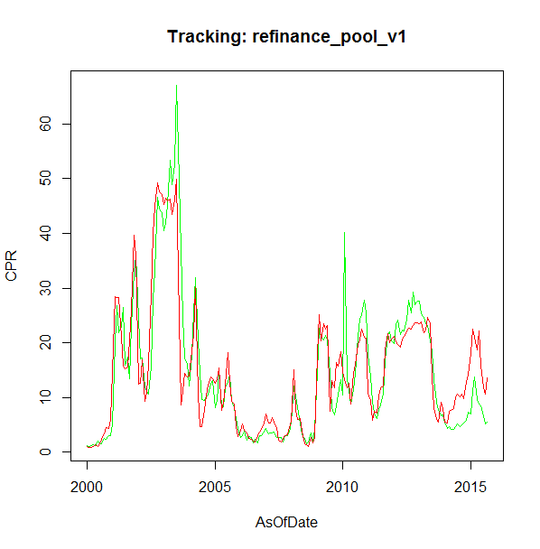
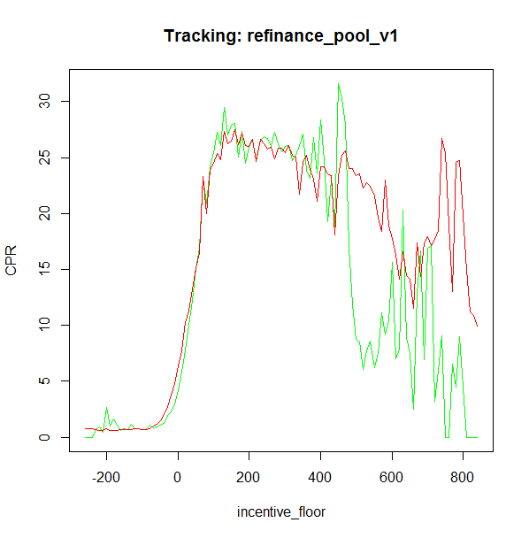
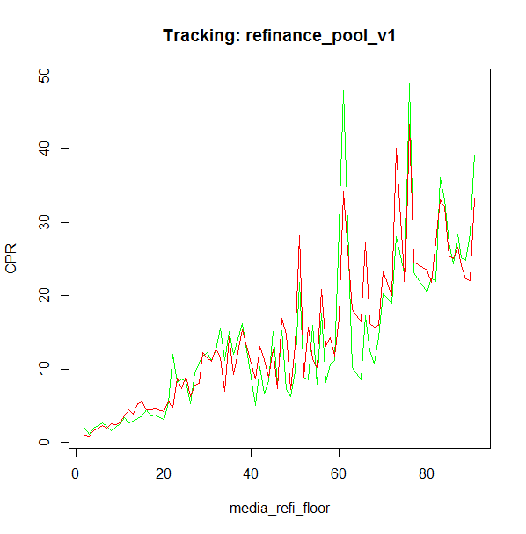
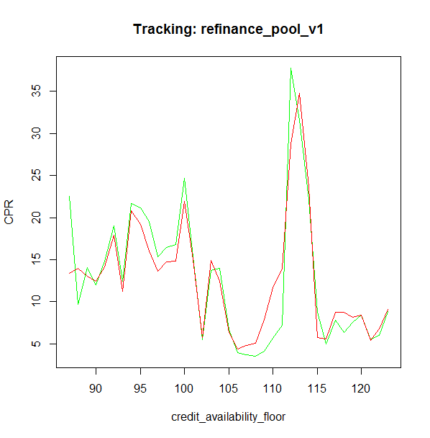

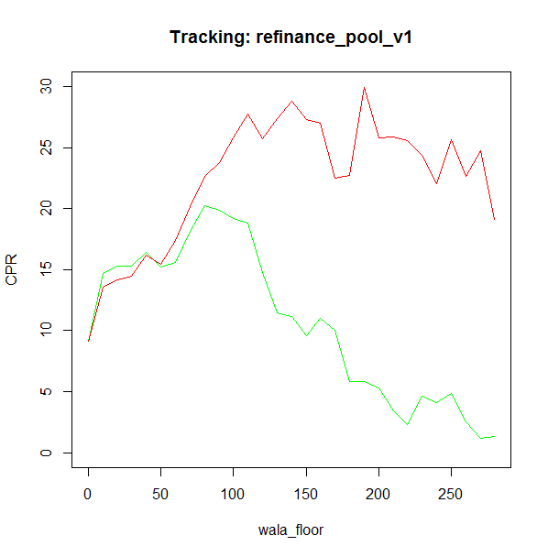

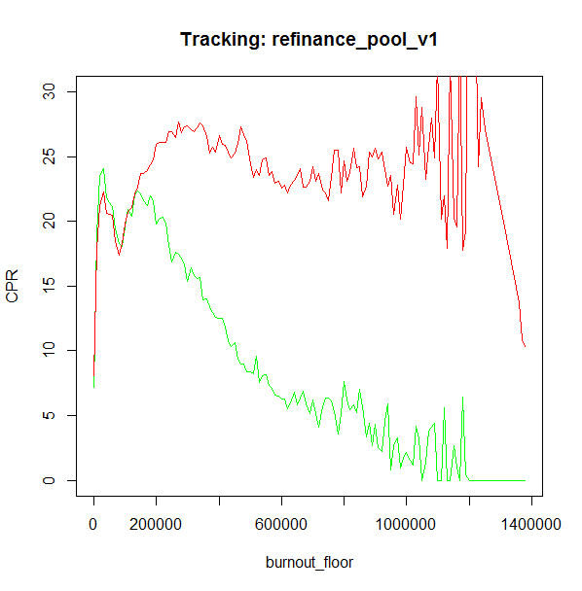
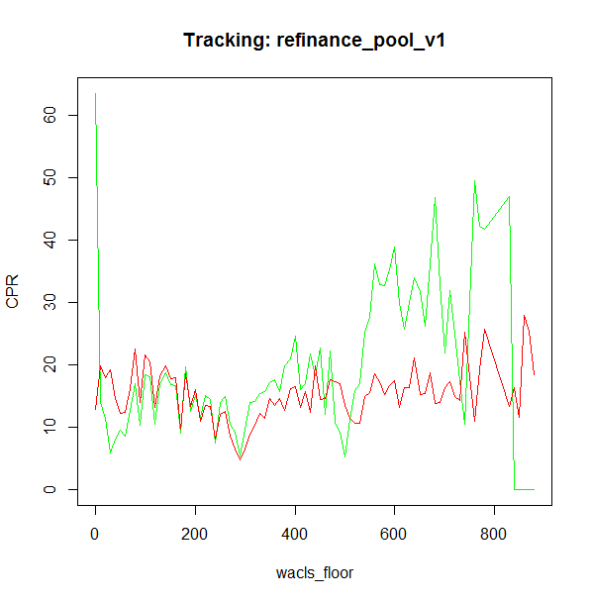

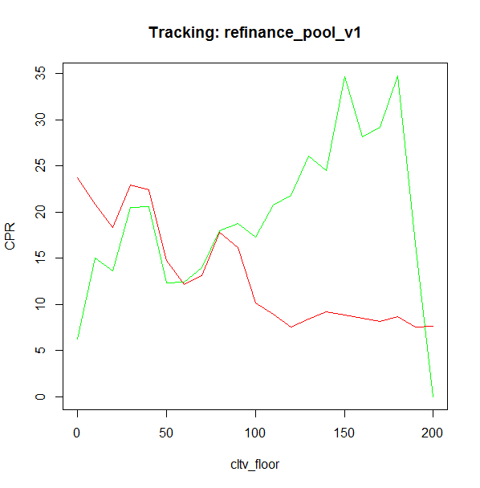
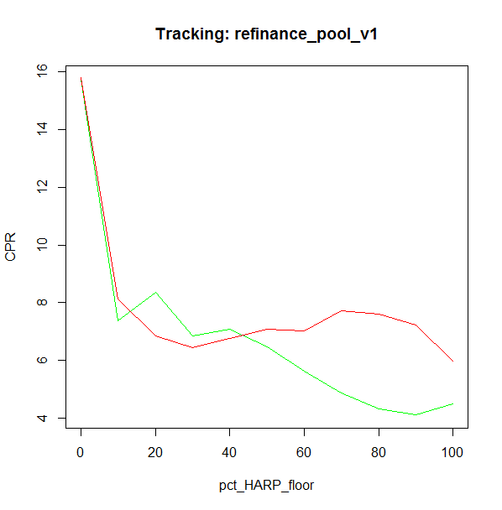
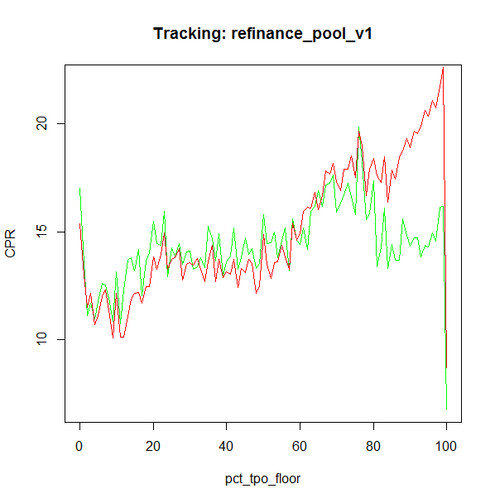
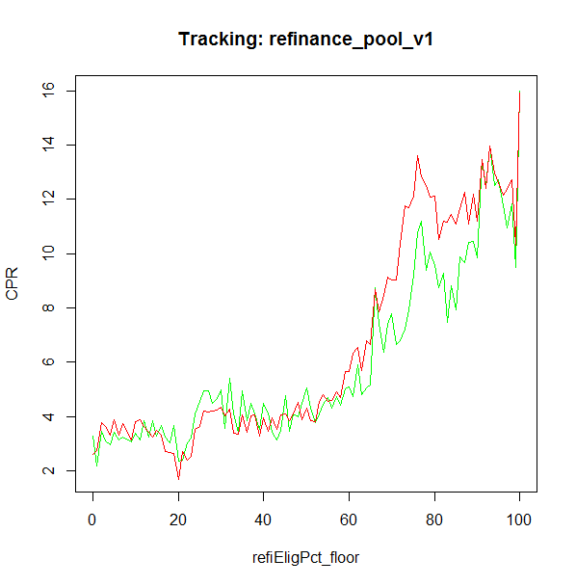

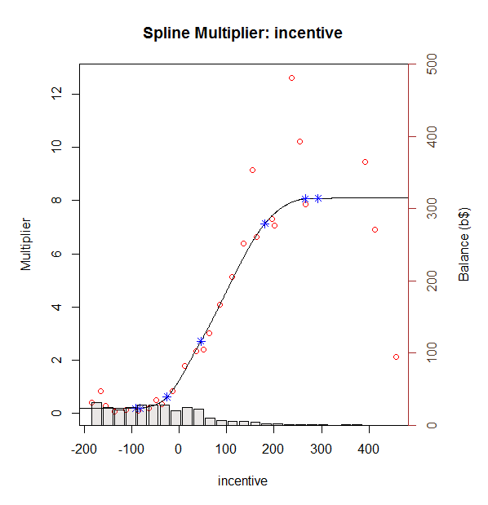
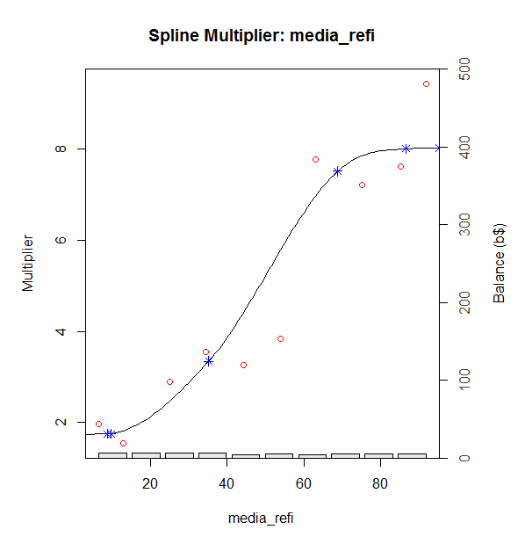
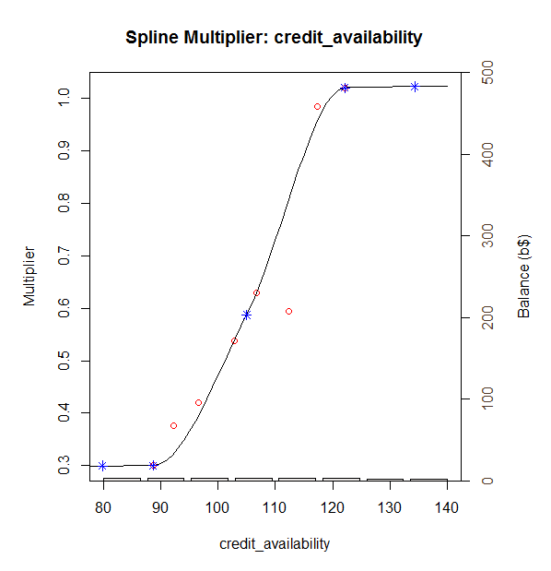

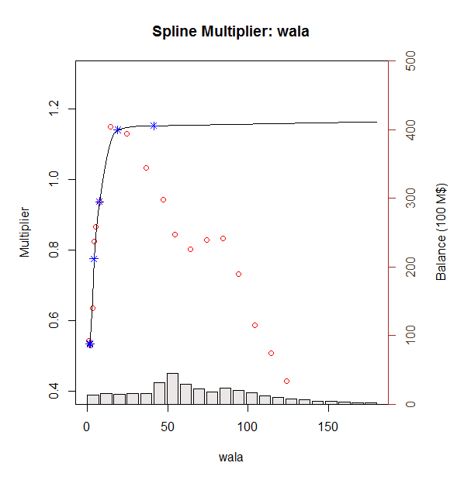
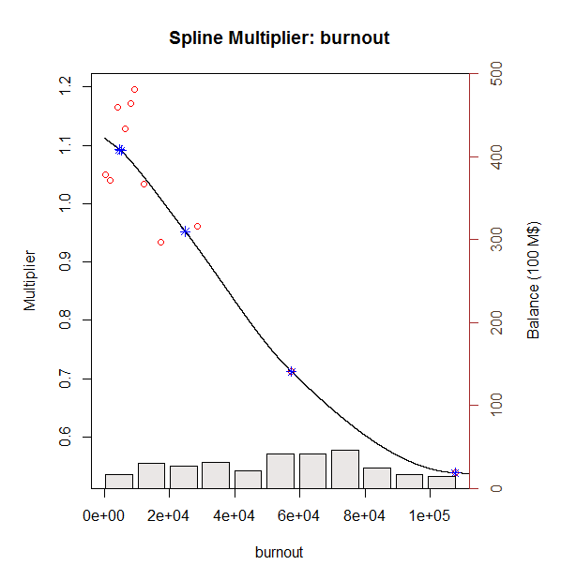
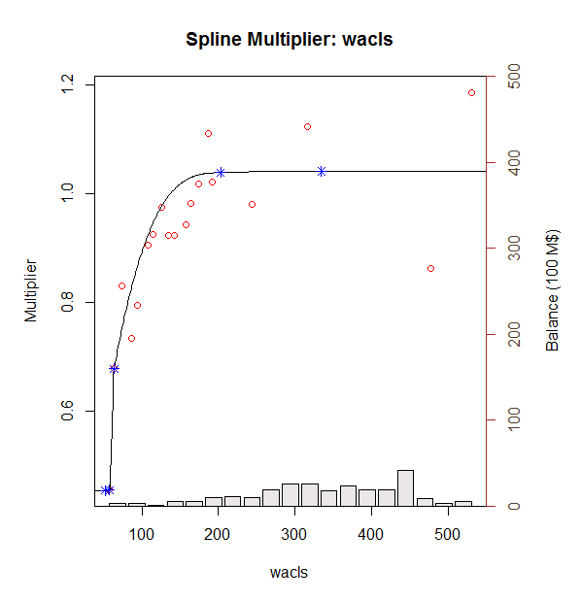

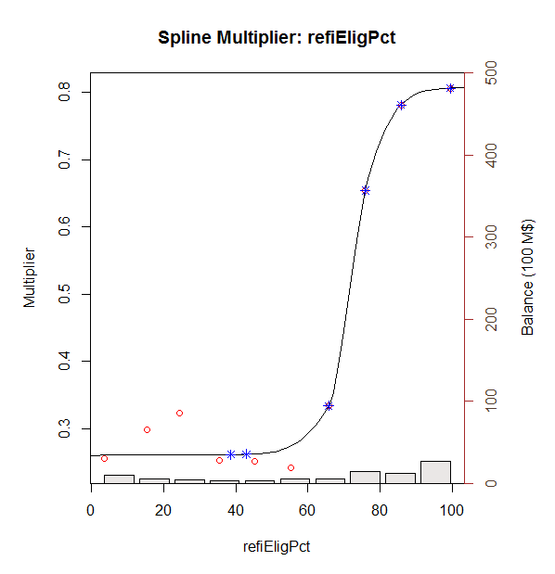
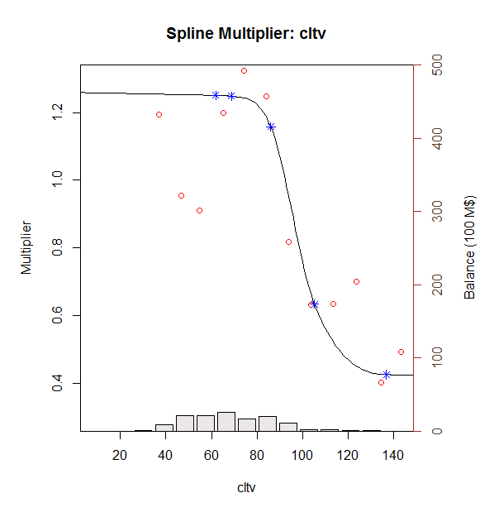
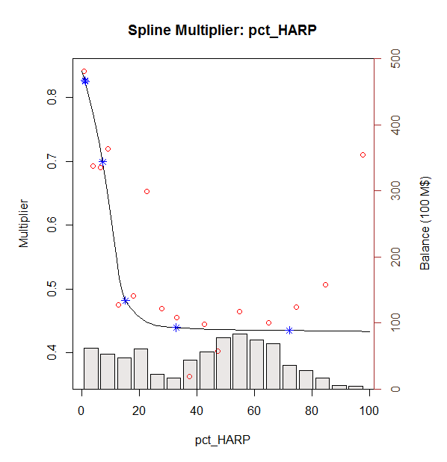
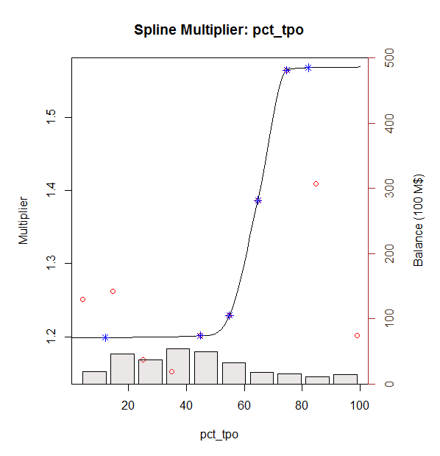

0510v2
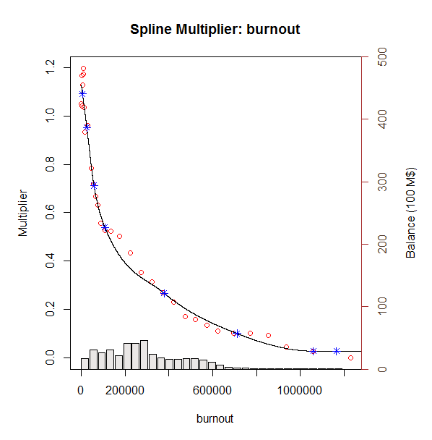
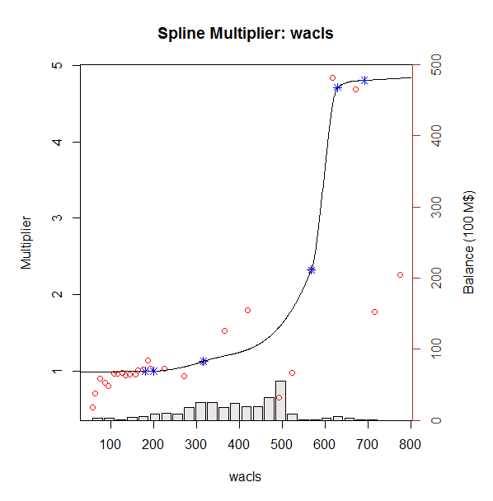
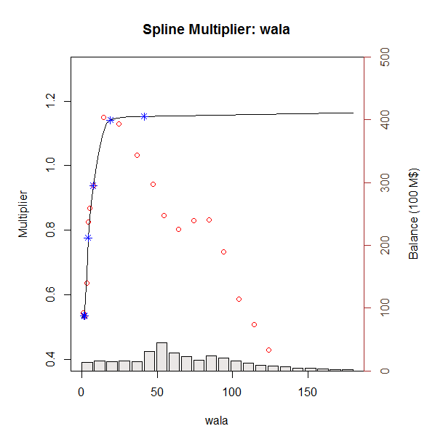
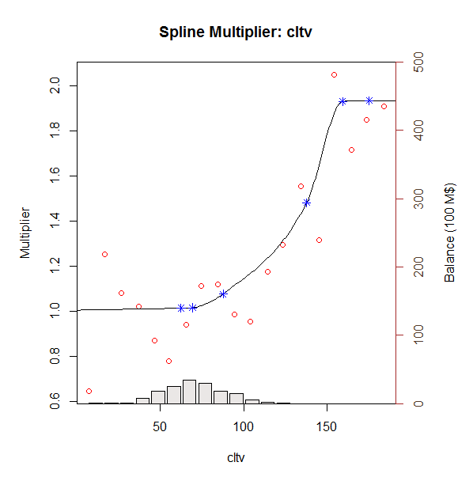
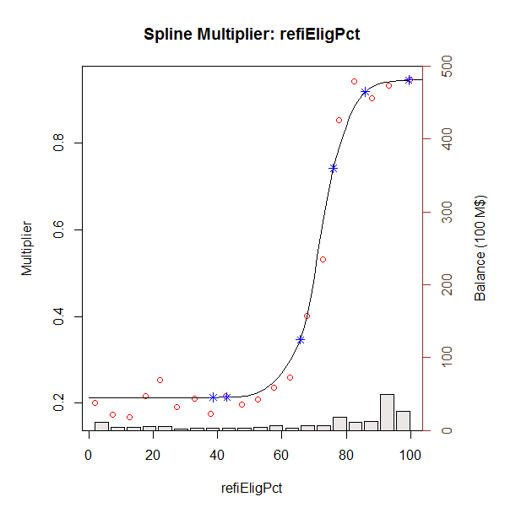
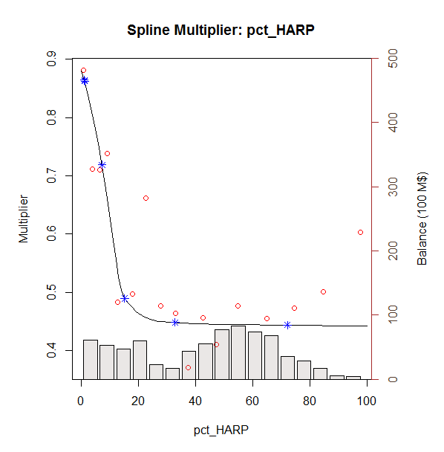
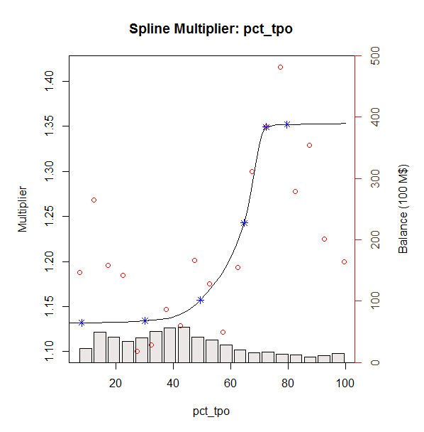
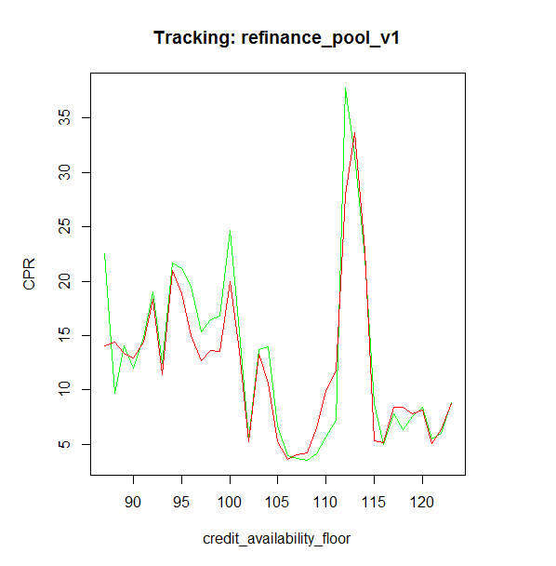
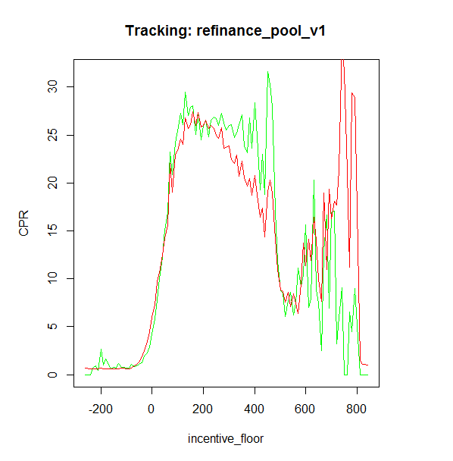
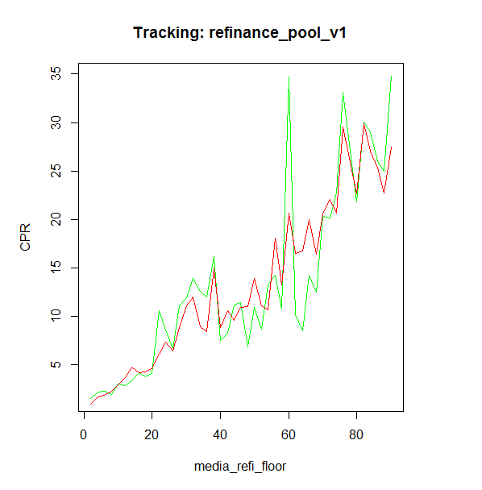
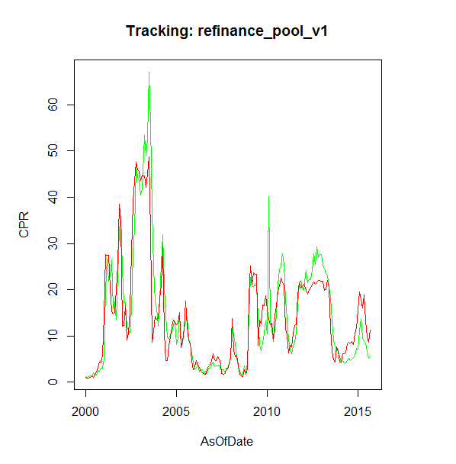
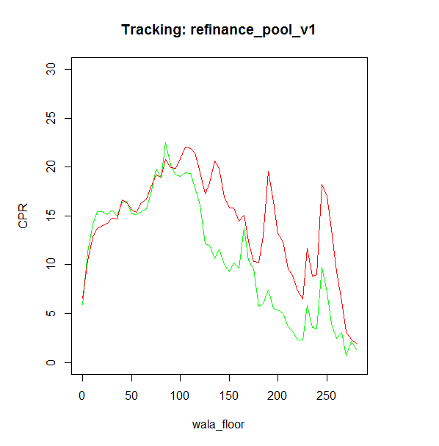
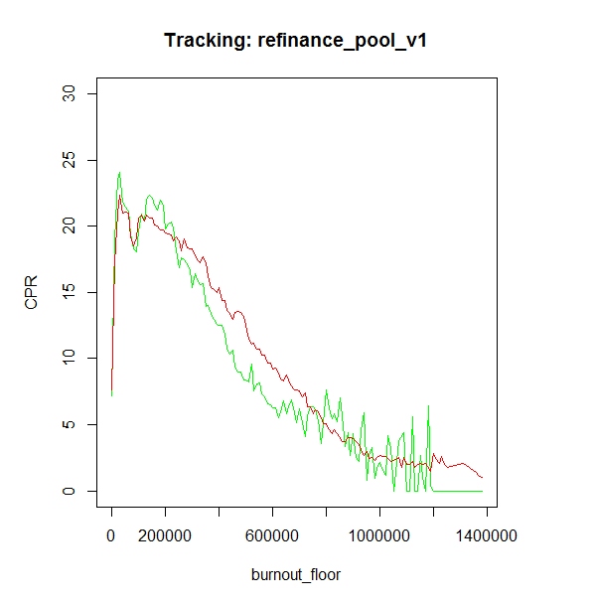
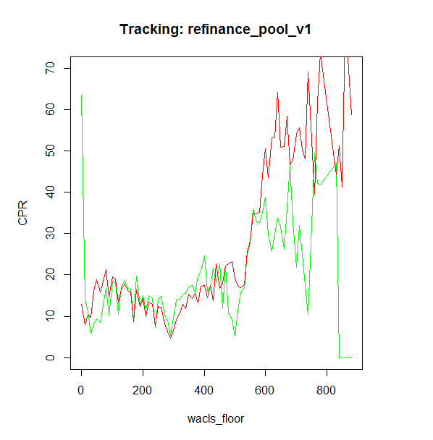
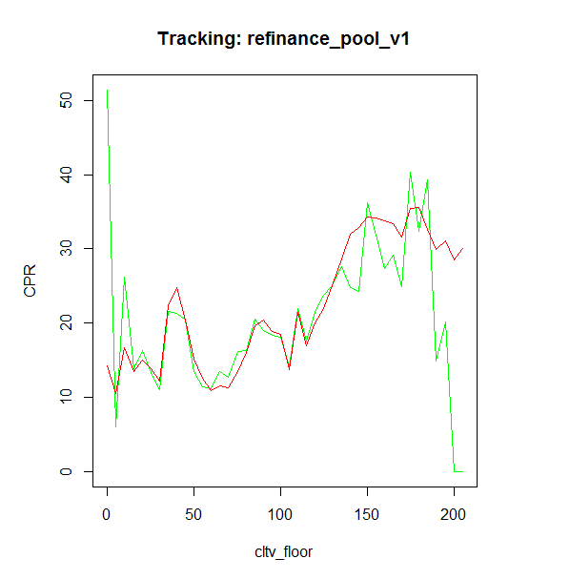
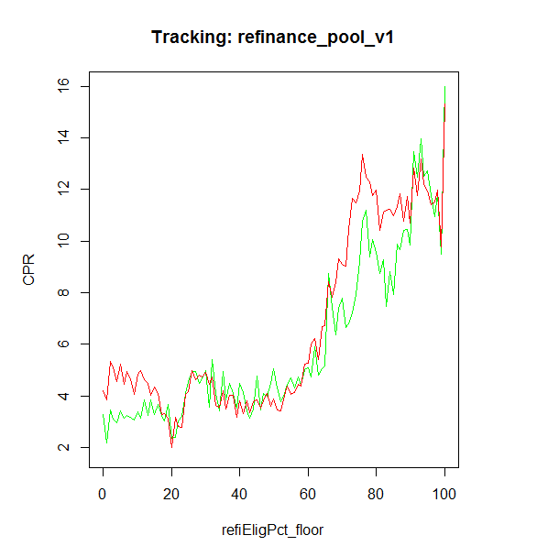
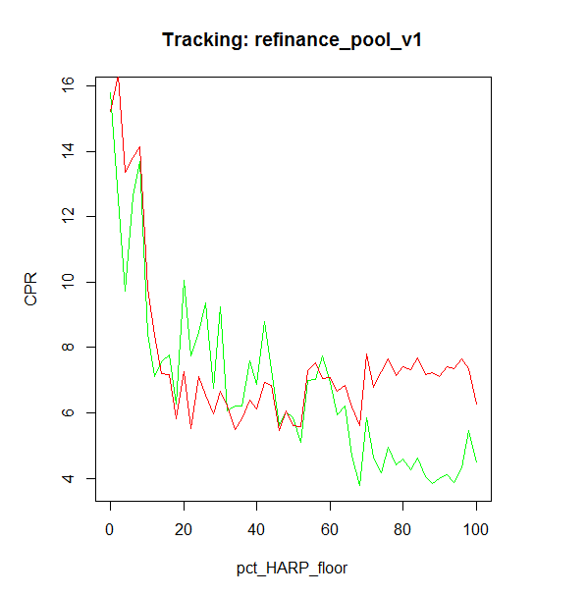
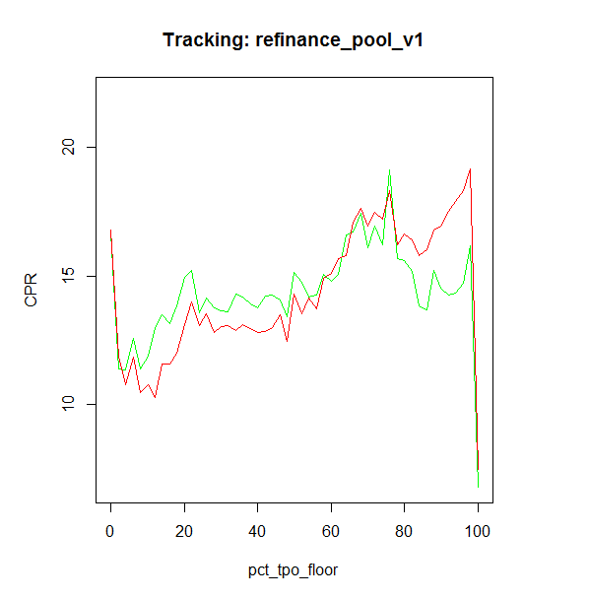
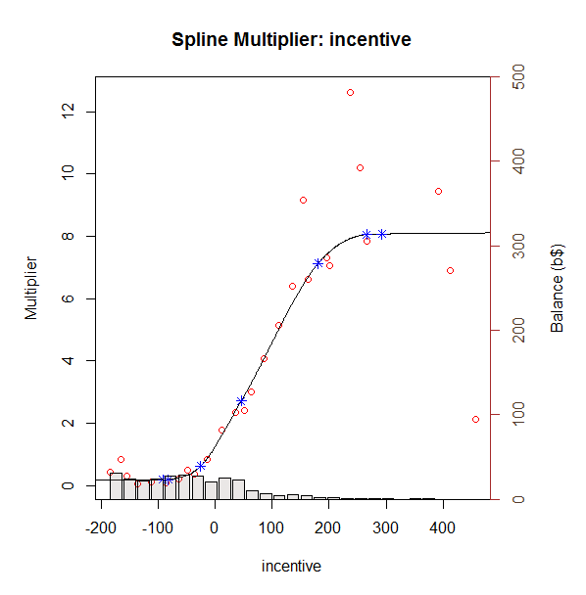
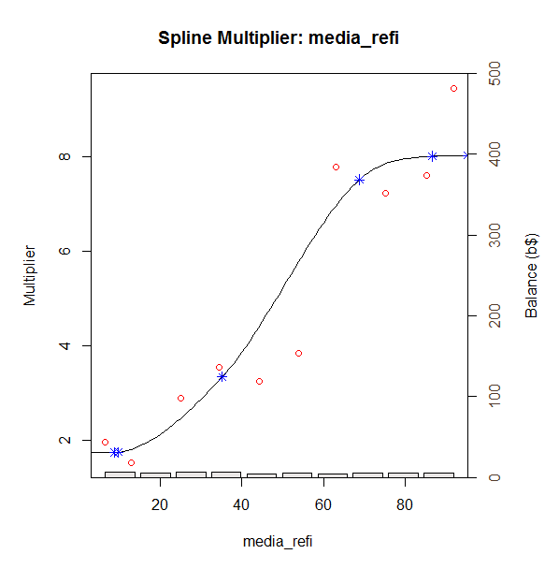
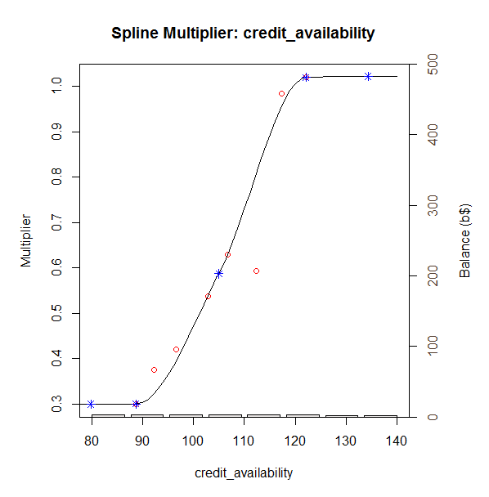
Fix burnout corve

0510v3
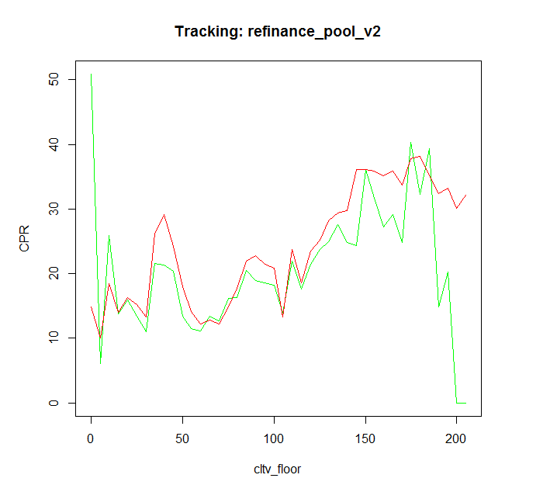
 |  |  | x_vals | actual | model v2 | model v1 | Square Error |  | RMSE |  |  | actual | model v2 | model v1 |  | actual | model v2 | model v1 |  | actual | model v2 | model v1
Fix loan size corve |  |  | 2000-01-01 | 1.2535393837 | 1.0729859231 | 1.1 | 0.032599552145 | 0.023574342357 | 14.213824007 | 11.056613757 | 2008-06-01 | 15.99682931 | 2.8692321445 | 0 | 2010-03-01 | 0 | 1.5412316062 | 0.1 | 2013-09-01 | 0 | 0.3690049929 | 0
 |  |  | 2000-02-01 | 1.1353790865 | 0.86519500526 | 0.5 | 0.07299943777 | 0.4037065836 | 2686.4127373 | 2089.7 | 2008-07-01 | 14.470730039 | 0.89335337215 | 0 | 2010-05-01 | 2.3546342068 | 1.8461066511 | 0.1 | 2013-10-01 | 0 | 0.699481548 | 0
 |  |  | 2000-03-01 | 1.181176154 | 0.86800509729 | 0.4 | 0.098076110764 | 0.61023618359 | 189 | 189 | 2008-08-01 | 3.5877677445 | 0.63532942656 | 0 | 2010-06-01 | 0 | 2.5494255038 | 0.1 | 2013-11-01 | 0 | 0.74770524633 | 0
 |  |  | 2000-04-01 | 1.4526721062 | 1.0882602013 | 0.3 | 0.13279603642 | 1.3286529845 |  |  | 2008-09-01 | 6.2488482795 | 1.4753514975 | 0 | 2010-07-01 | 0 | 2.4258926254 | 0.2 | 2013-12-01 | 28.507649868 | 0.41685400939 | 0
 |  |  | 2000-05-01 | 1.2976515696 | 1.3819538347 | 0.4 | 0.0071068718976 | 0.80577834035 |  |  | 2008-10-01 | 25.124778909 | 2.6798275772 | 0 | 2010-08-01 | 0 | 3.9371496993 | 0.2 | 2014-01-01 | 0.011096823104 | 0.98331071707 | 0
Conventional
Jumbo
 | actual | model v2 | model v1
6/1/2008 | 15.99682931 | 2.8692321445 | 0
7/1/2008 | 14.470730039 | 0.89335337215 | 0
8/1/2008 | 3.5877677445 | 0.63532942656 | 0
9/1/2008 | 6.2488482795 | 1.4753514975 | 0
10/1/2008 | 25.124778909 | 2.6798275772 | 0
11/1/2008 | 13.325528357 | 2.6662737772 | 4.5
12/1/2008 | 11.720807192 | 5.8503445669 | 3.2
1/1/2009 | 25.676601609 | 33.765846864 | 3.5
2/1/2009 | 25.060766314 | 42.984358902 | 32.2
3/1/2009 | 33.953462041 | 40.530241226 | 51.5
4/1/2009 | 38.035694837 | 43.102778786 | 39.4
5/1/2009 | 34.347130128 | 46.684262404 | 51.1
6/1/2009 | 41.274734067 | 45.305830315 | 60.7
7/1/2009 | 51.664181052 | 18.751640977 | 57.3
8/1/2009 | 33.07095073 | 28.67077248 | 16.3
9/1/2009 | 34.932212015 | 30.119842862 | 26.4
10/1/2009 | 43.062197892 | 38.144375066 | 28.3
11/1/2009 | 50.907581982 | 41.001403379 | 36.7
12/1/2009 | 61.5845305 | 43.523256659 | 42.6
1/1/2010 | 45.133461654 | 41.270281671 | 50.6
2/1/2010 | 52.443641153 | 35.998441527 | 45.5
3/1/2010 | 47.838111703 | 35.759565883 | 38.2
4/1/2010 | 45.12126055 | 34.736155486 | 38.3
5/1/2010 | 47.128189886 | 28.07610034 | 37.2
6/1/2010 | 41.995495498 | 37.824111394 | 32.5
7/1/2010 | 62.382325254 | 43.449975597 | 42.8
8/1/2010 | 54.217748159 | 46.963352211 | 51.1
9/1/2010 | 58.550964181 | 50.752726446 | 56
10/1/2010 | 53.083727581 | 51.120232579 | 69.5
11/1/2010 | 64.495352833 | 51.440021975 | 75.1
12/1/2010 | 54.952042726 | 49.756446911 | 76.7
1/1/2011 | 23.760500586 | 15.19304803 | 70.9
2/1/2011 | 15.303475992 | 9.2072614145 | 17.3
3/1/2011 | 7.7544967504 | 3.6315816211 | 11.7
4/1/2011 | 5.8152588285 | 4.8205951618 | 5.5
5/1/2011 | 8.0867463002 | 5.3998976175 | 6.7
6/1/2011 | 12.600923138 | 9.4555706125 | 7
7/1/2011 | 16.365634923 | 13.726825491 | 10.4
8/1/2011 | 21.882237232 | 13.613918785 | 13.7
9/1/2011 | 53.838903833 | 25.851380872 | 13.6
10/1/2011 | 36.725196154 | 30.750519461 | 33.4
11/1/2011 | 27.229959465 | 28.493332958 | 43.3
12/1/2011 | 23.458891876 | 29.258270134 | 37.4
1/1/2012 | 25.902351707 | 30.680876359 | 41.2
2/1/2012 | 33.294758538 | 29.728653664 | 41.9
3/1/2012 | 30.029057768 | 29.305593698 | 38.9
4/1/2012 | 19.77947562 | 26.728043938 | 35.9
5/1/2012 | 23.651006865 | 28.379789073 | 27.3
6/1/2012 | 31.172285595 | 31.064501716 | 31.4
7/1/2012 | 37.993906998 | 34.8326567 | 37.5
...
 |  |  | 2000-06-01 | 2.0225926784 | 1.0305623383 | 0.4 | 0.98412419565 | 2.632807 |  |  | 2008-11-01 | 13.325528357 | 2.6662737772 | 4.5 | 2010-09-01 | 0 | 4.8307402272 | 0.2 | 2014-02-01 | 0 | 2.4013903075 | 0
 |  |  | 2000-07-01 | 1.5807116861 | 1.628234856 | 0.3 | 0.002258451685 | 1.6402224228 |  |  | 2008-12-01 | 11.720807192 | 5.8503445669 | 3.2 | 2010-10-01 | 1.7488395068 | 5.2970379538 | 0.3 | 2014-03-01 | 24.647675431 | 3.486347624 | 0
 |  |  | 2000-08-01 | 1.5421275545 | 2.3249456112 | 0.4 | 0.61280410984 | 1.3044553508 |  |  | 2009-01-01 | 25.676601609 | 33.765846864 | 3.5 | 2010-11-01 | 3.9109831515 | 4.735139188 | 0.3 | 2014-04-01 | 3.5371074649 | 3.3320510825 | 0
 |  |  | 2000-09-01 | 2.5043865853 | 3.2576578307 | 0.5 | 0.5674175692 | 4.0175655831 |  |  | 2009-02-01 | 25.060766314 | 42.984358902 | 32.2 | 2010-12-01 | 3.6766563797 | 3.90042443 | 0.3 | 2014-05-01 | 2.5529921643 | 3.2039983573 | 0
 |  |  | 2000-10-01 | 2.4512740997 | 4.4467391702 | 0.9 | 3.9818808475 | 2.4064513325 |  |  | 2009-03-01 | 33.953462041 | 40.530241226 | 51.5 | 2011-01-01 | 5.776137518 | 2.9596164239 | 0.3 | 2014-06-01 | 6.3775144773 | 4.3863250551 | 0
 |  |  | 2000-11-01 | 3.0477081304 | 4.3448629877 | 1.4 | 1.6826107238 | 2.714942083 |  |  | 2009-04-01 | 38.035694837 | 43.102778786 | 39.4 | 2011-02-01 | 3.6317529151 | 2.3371115652 | 0.1 | 2014-07-01 | 8.4648546415 | 3.5785867283 | 0.1
 |  |  | 2000-12-01 | 3.1145932128 | 5.8622284427 | 2.2 | 7.549499357 | 0.83648074481 |  |  | 2009-05-01 | 34.347130128 | 46.684262404 | 51.1 | 2011-03-01 | 4.4212626414 | 2.1224182313 | 0.1 | 2014-08-01 | 7.8898600953 | 3.4860708361 | 0.1
 |  |  | 2001-01-01 | 5.0764757304 | 14.532158939 | 3 | 89.409944947 | 4.3117514591 |  |  | 2009-06-01 | 41.274734067 | 45.305830315 | 60.7 | 2011-04-01 | 2.2074039557 | 2.575781654 | 0.1 | 2014-09-01 | 4.3261101608 | 3.8628411996 | 0.1
 |  |  | 2001-02-01 | 20.00396012 | 27.815628149 | 7.8 | 61.022157401 | 148.93664261 |  |  | 2009-07-01 | 51.664181052 | 18.751640977 | 57.3 | 2011-05-01 | 5.6913900252 | 2.6082145949 | 0.1 | 2014-10-01 | 6.3552727133 | 4.0473741166 | 0.1
 |  |  | 2001-03-01 | 26.836270054 | 27.655268908 | 13.4 | 0.6707591235 | 180.53335295 |  |  | 2009-08-01 | 33.07095073 | 28.67077248 | 16.3 | 2011-06-01 | 4.5115981117 | 3.1254222348 | 0.1 | 2014-11-01 | 3.9338495842 | 4.4542295971 | 0.1
 |  |  | 2001-04-01 | 21.790158494 | 27.71932023 | 13.4 | 35.154958891 | 70.394759557 |  |  | 2009-09-01 | 34.932212015 | 30.119842862 | 26.4 | 2011-07-01 | 3.9912244843 | 3.5199158107 | 0.1 | 2014-12-01 | 4.3900074007 | 5.8156268738 | 0.1
 |  |  | 2001-05-01 | 22.95171195 | 20.618543904 | 15.4 | 5.4436731305 | 57.028353375 |  |  | 2009-10-01 | 43.062197892 | 38.144375066 | 28.3 | 2011-08-01 | 3.5776519895 | 3.9688732449 | 0.2 | 2015-01-01 | 3.939553896 | 6.7477263189 | 0.1
 |  |  | 2001-06-01 | 26.515934883 | 15.5814694 | 12.4 | 119.56253541 | 199.25961763 |  |  | 2009-11-01 | 50.907581982 | 41.001403379 | 36.7 | 2011-09-01 | 4.0695668867 | 5.6905763684 | 0.2 | 2015-02-01 | 5.4117152014 | 9.6944064053 | 0.2
 |  |  | 2001-07-01 | 15.930695236 | 14.928678629 | 9.9 | 1.0040372804 | 36.369285029 |  |  | 2009-12-01 | 61.5845305 | 43.523256659 | 42.6 | 2011-10-01 | 4.1460954057 | 6.6901147879 | 0.3 | 2015-03-01 | 7.0189856178 | 8.5915900053 | 0.2
 |  |  | 2001-08-01 | 17.455489411 | 15.256359305 | 9.5 | 4.8361732214 | 63.289811768 |  |  | 2010-01-01 | 45.133461654 | 41.270281671 | 50.6 | 2011-11-01 | 3.4606144695 | 5.8213333529 | 0.3 | 2015-04-01 | 7.9710321464 | 8.3174206971 | 0.2
 |  |  | 2001-09-01 | 13.464790847 | 20.189432258 | 9.6 | 45.220802114 | 14.936608289 |  |  | 2010-02-01 | 52.443641153 | 35.998441527 | 45.5 | 2011-12-01 | 3.2525281036 | 5.9093646672 | 0.3 | 2015-05-01 | 4.3241909562 | 9.158301521 | 0.2
 |  |  | 2001-10-01 | 23.176271377 | 25.676611162 | 12.9 | 6.2516990431 | 105.60175341 |  |  | 2010-03-01 | 47.838111703 | 35.759565883 | 38.2 | 2012-01-01 | 3.9190569323 | 6.8267943487 | 0.3 | 2015-06-01 | 8.6439557001 | 5.8042105227 | 0.4
CQ
 | actual | model v2 | model v1
3/1/2010 | 0 | 1.5412316062 | 0.1
5/1/2010 | 2.3546342068 | 1.8461066511 | 0.1
6/1/2010 | 0 | 2.5494255038 | 0.1
7/1/2010 | 0 | 2.4258926254 | 0.2
8/1/2010 | 0 | 3.9371496993 | 0.2
9/1/2010 | 0 | 4.8307402272 | 0.2
10/1/2010 | 1.7488395068 | 5.2970379538 | 0.3
11/1/2010 | 3.9109831515 | 4.735139188 | 0.3
12/1/2010 | 3.6766563797 | 3.90042443 | 0.3
1/1/2011 | 5.776137518 | 2.9596164239 | 0.3
2/1/2011 | 3.6317529151 | 2.3371115652 | 0.1
3/1/2011 | 4.4212626414 | 2.1224182313 | 0.1
4/1/2011 | 2.2074039557 | 2.575781654 | 0.1
5/1/2011 | 5.6913900252 | 2.6082145949 | 0.1
6/1/2011 | 4.5115981117 | 3.1254222348 | 0.1
7/1/2011 | 3.9912244843 | 3.5199158107 | 0.1
8/1/2011 | 3.5776519895 | 3.9688732449 | 0.2
9/1/2011 | 4.0695668867 | 5.6905763684 | 0.2
10/1/2011 | 4.1460954057 | 6.6901147879 | 0.3
11/1/2011 | 3.4606144695 | 5.8213333529 | 0.3
12/1/2011 | 3.2525281036 | 5.9093646672 | 0.3
1/1/2012 | 3.9190569323 | 6.8267943487 | 0.3
2/1/2012 | 3.3853235134 | 6.0554968287 | 0.4
3/1/2012 | 4.5209781435 | 5.9784814293 | 0.4
4/1/2012 | 3.2881293352 | 6.1034787345 | 0.4
5/1/2012 | 6.2361494526 | 6.0960112662 | 0.4
6/1/2012 | 4.686250835 | 5.6912365012 | 0.5
7/1/2012 | 3.506666508 | 5.3835072154 | 0.6
8/1/2012 | 4.3441978695 | 5.1374031021 | 0.6
9/1/2012 | 3.7691802362 | 5.223426277 | 0.7
10/1/2012 | 4.1025357836 | 5.5732985395 | 0.6
11/1/2012 | 5.2849739952 | 6.1183736283 | 0.7
12/1/2012 | 5.1292448615 | 7.216219851 | 0.8
1/1/2013 | 4.4049160566 | 5.9954479123 | 0.8
2/1/2013 | 3.8427587601 | 5.7579428654 | 0.8
3/1/2013 | 4.468223066 | 5.7934517009 | 0.8
4/1/2013 | 5.0909125557 | 6.2663772159 | 0.6
5/1/2013 | 5.5800523119 | 6.925603905 | 0.6
6/1/2013 | 5.808221221 | 4.3090659473 | 1.4
7/1/2013 | 6.3308146398 | 2.5944852577 | 3.4
8/1/2013 | 4.5141379813 | 1.5677721522 | 2.7
9/1/2013 | 3.2140777402 | 1.4077190121 | 2.9
10/1/2013 | 3.0968154059 | 1.5224772408 | 3
11/1/2013 | 3.6258609165 | 2.1865527797 | 2.9
12/1/2013 | 4.041461347 | 1.7109369004 | 4.3
1/1/2014 | 2.6446191254 | 1.4968611471 | 3.7
2/1/2014 | 3.0469980831 | 1.7265848581 | 3
3/1/2014 | 3.4715776732 | 2.4233096678 | 3.3
4/1/2014 | 3.1302724147 | 2.6030642567 | 4.3
5/1/2014 | 3.314061632 | 3.0821754319 | 4.8
...
CR
 | actual | model v2 | model v1
9/1/2013 | 0 | 0.3690049929 | 0
10/1/2013 | 0 | 0.699481548 | 0
11/1/2013 | 0 | 0.74770524633 | 0
12/1/2013 | 28.507649868 | 0.41685400939 | 0
1/1/2014 | 0.011096823104 | 0.98331071707 | 0
2/1/2014 | 0 | 2.4013903075 | 0
3/1/2014 | 24.647675431 | 3.486347624 | 0
4/1/2014 | 3.5371074649 | 3.3320510825 | 0
5/1/2014 | 2.5529921643 | 3.2039983573 | 0
6/1/2014 | 6.3775144773 | 4.3863250551 | 0
7/1/2014 | 8.4648546415 | 3.5785867283 | 0.1
8/1/2014 | 7.8898600953 | 3.4860708361 | 0.1
9/1/2014 | 4.3261101608 | 3.8628411996 | 0.1
10/1/2014 | 6.3552727133 | 4.0473741166 | 0.1
11/1/2014 | 3.9338495842 | 4.4542295971 | 0.1
12/1/2014 | 4.3900074007 | 5.8156268738 | 0.1
1/1/2015 | 3.939553896 | 6.7477263189 | 0.1
2/1/2015 | 5.4117152014 | 9.6944064053 | 0.2
3/1/2015 | 7.0189856178 | 8.5915900053 | 0.2
4/1/2015 | 7.9710321464 | 8.3174206971 | 0.2
5/1/2015 | 4.3241909562 | 9.158301521 | 0.2
6/1/2015 | 8.6439557001 | 5.8042105227 | 0.4
7/1/2015 | 6.3465304997 | 4.7001912207 | 0.4
8/1/2015 | 4.8627047109 | 5.138581082 | 0.3
9/1/2015 | 5.7943300481 | 6.0652143515 | 0.3
 |  |  | 2001-11-01 | 32.813955422 | 38.921472534 | 15.4 | 37.301765266 | 303.24584346 |  |  | 2010-04-01 | 45.12126055 | 34.736155486 | 38.3 | 2012-02-01 | 3.3853235134 | 6.0554968287 | 0.4 | 2015-07-01 | 6.3465304997 | 4.7001912207 | 0.4
 |  |  | 2001-12-01 | 35.881594538 | 35.175035393 | 21.4 | 0.4992258255 | 209.71658036 |  |  | 2010-05-01 | 47.128189886 | 28.07610034 | 37.2 | 2012-03-01 | 4.5209781435 | 5.9784814293 | 0.4 | 2015-08-01 | 4.8627047109 | 5.138581082 | 0.3
 |  |  | 2002-01-01 | 24.542735784 | 12.202544915 | 19.4 | 152.28031068 | 26.44773134 |  |  | 2010-06-01 | 41.995495498 | 37.824111394 | 32.5 | 2012-04-01 | 3.2881293352 | 6.1034787345 | 0.4 | 2015-09-01 | 5.7943300481 | 6.0652143515 | 0.3
 |  |  | 2002-02-01 | 17.144155878 | 12.348718326 | 8.9 | 22.996221314 | 67.966106133 |  |  | 2010-07-01 | 62.382325254 | 43.449975597 | 42.8 | 2012-05-01 | 6.2361494526 | 6.0960112662 | 0.4
 |  |  | 2002-03-01 | 17.22920655 | 16.596833391 | 9.3 | 0.39989581269 | 62.872316512 |  |  | 2010-08-01 | 54.217748159 | 46.963352211 | 51.1 | 2012-06-01 | 4.686250835 | 5.6912365012 | 0.5
 |  |  | 2002-04-01 | 11.999618117 | 9.2059085526 | 11.6 | 7.8048131281 | 0.15969463913 |  |  | 2010-09-01 | 58.550964181 | 50.752726446 | 56 | 2012-07-01 | 3.506666508 | 5.3835072154 | 0.6
 |  |  | 2002-05-01 | 11.140140239 | 10.812033774 | 7.3 | 0.10765385184 | 14.746677053 |  |  | 2010-10-01 | 53.083727581 | 51.120232579 | 69.5 | 2012-08-01 | 4.3441978695 | 5.1374031021 | 0.6
 |  |  | 2002-06-01 | 10.6017349 | 15.744874743 | 8.1 | 26.451887448 | 6.2586775104 |  |  | 2010-11-01 | 64.495352833 | 51.440021975 | 75.1 | 2012-09-01 | 3.7691802362 | 5.223426277 | 0.7
 |  |  | 2002-07-01 | 15.806219984 | 28.326335894 | 11 | 156.75330239 | 23.099750537 |  |  | 2010-12-01 | 54.952042726 | 49.756446911 | 76.7 | 2012-10-01 | 4.1025357836 | 5.5732985395 | 0.6
 |  |  | 2002-08-01 | 28.023003408 | 39.122220378 | 15.8 | 123.19261734 | 149.40181232 |  |  | 2011-01-01 | 23.760500586 | 15.19304803 | 70.9 | 2012-11-01 | 5.2849739952 | 6.1183736283 | 0.7
 |  |  | 2002-09-01 | 32.99143759 | 43.870620941 | 22.7 | 118.35663039 | 105.91368766 |  |  | 2011-02-01 | 15.303475992 | 9.2072614145 | 17.3 | 2012-12-01 | 5.1292448615 | 7.216219851 | 0.8
 |  |  | 2002-10-01 | 46.555597893 | 47.899819697 | 34.8 | 1.806932257 | 138.19408183 |  |  | 2011-03-01 | 7.7544967504 | 3.6315816211 | 11.7 | 2013-01-01 | 4.4049160566 | 5.9954479123 | 0.8
 |  |  | 2002-11-01 | 44.391855689 | 46.244397116 | 46.8 | 3.4319097389 | 5.7991590232 |  |  | 2011-04-01 | 5.8152588285 | 4.8205951618 | 5.5 | 2013-02-01 | 3.8427587601 | 5.7579428654 | 0.8
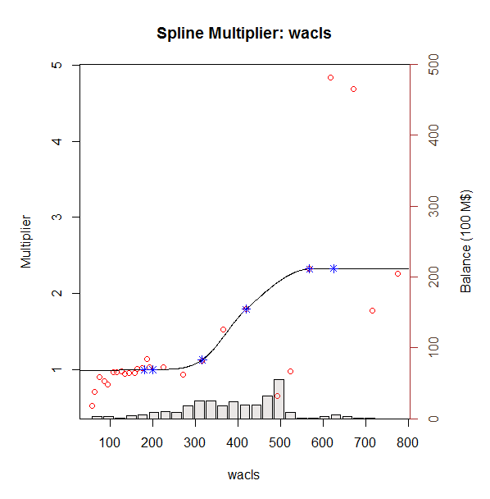
 |  |  | 2002-12-01 | 43.743179136 | 45.99615994 | 42.1 | 5.0759225013 | 2.7000376739 |  |  | 2011-05-01 | 8.0867463002 | 5.3998976175 | 6.7 | 2013-03-01 | 4.468223066 | 5.7934517009 | 0.8
 |  |  | 2003-01-01 | 40.42808224 | 44.057010148 | 40.2 | 13.169117761 | 0.052021508337 |  |  | 2011-06-01 | 12.600923138 | 9.4555706125 | 7 | 2013-04-01 | 5.0909125557 | 6.2663772159 | 0.6
 |  |  | 2003-02-01 | 41.831671475 | 45.151325687 | 36 | 11.020104088 | 34.008392193 |  |  | 2011-07-01 | 16.365634923 | 13.726825491 | 10.4 | 2013-05-01 | 5.5800523119 | 6.925603905 | 0.6
 |  |  | 2003-03-01 | 45.338002459 | 44.744174529 | 38.8 | 0.35263160939 | 42.745476148 |  |  | 2011-08-01 | 21.882237232 | 13.613918785 | 13.7 | 2013-06-01 | 5.808221221 | 4.3090659473 | 1.4
 |  |  | 2003-04-01 | 53.268003858 | 44.966557161 | 36.1 | 68.914017269 | 294.74035647 |  |  | 2011-09-01 | 53.838903833 | 25.851380872 | 13.6 | 2013-07-01 | 6.3308146398 | 2.5944852577 | 3.4
 |  |  | 2003-05-01 | 48.970104781 | 42.520673031 | 35.3 | 41.595169885 | 186.87176471 |  |  | 2011-10-01 | 36.725196154 | 30.750519461 | 33.4 | 2013-08-01 | 4.5141379813 | 1.5677721522 | 2.7
 |  |  | 2003-06-01 | 52.449533346 | 45.453624458 | 27.3 | 48.942741174 | 632.49902754 |  |  | 2011-11-01 | 27.229959465 | 28.493332958 | 43.3 | 2013-09-01 | 3.2140777402 | 1.4077190121 | 2.9
 |  |  | 2003-07-01 | 66.993257969 | 49.040154941 | 38.4 | 322.31390836 | 817.57440129 |  |  | 2011-12-01 | 23.458891876 | 29.258270134 | 37.4 | 2013-10-01 | 3.0968154059 | 1.5224772408 | 3
 |  |  | 2003-08-01 | 55.747948865 | 32.47701405 | 49.5 | 541.53640719 | 39.036865026 |  |  | 2012-01-01 | 25.902351707 | 30.680876359 | 41.2 | 2013-11-01 | 3.6258609165 | 2.1865527797 | 2.9
 |  |  | 2003-09-01 | 37.095392773 | 8.6864876913 | 18.6 | 807.06588794 | 342.07955383 |  |  | 2012-02-01 | 33.294758538 | 29.728653664 | 41.9 | 2013-12-01 | 4.041461347 | 1.7109369004 | 4.3
 |  |  | 2003-10-01 | 24.586137859 | 11.233363921 | 6.7 | 178.29657182 | 319.9139275 |  |  | 2012-03-01 | 30.029057768 | 29.305593698 | 38.9 | 2014-01-01 | 2.6446191254 | 1.4968611471 | 3.7
 |  | 0.28571428571 | 2003-11-01 | 17.287136905 | 14.344512984 | 8.5 | 8.6590355382 | 77.213774988 |  |  | 2012-04-01 | 19.77947562 | 26.728043938 | 35.9 | 2014-02-01 | 3.0469980831 | 1.7265848581 | 3
 | 1 | 46 | 2003-12-01 | 16.294472102 | 13.78417488 | 10.8 | 6.3015921454 | 30.189223684 |  |  | 2012-05-01 | 23.651006865 | 28.379789073 | 27.3 | 2014-03-01 | 3.4715776732 | 2.4233096678 | 3.3
 | 2 | 23 | 2004-01-01 | 12.154474972 | 13.906401985 | 11.1 | 3.0692482577 | 1.1119174672 |  |  | 2012-06-01 | 31.172285595 | 31.064501716 | 31.4 | 2014-04-01 | 3.1302724147 | 2.6030642567 | 4.3
 | 3 | 15 | 2004-02-01 | 17.779596771 | 18.262364788 | 11.3 | 0.23306495867 | 41.985174315 |  |  | 2012-07-01 | 37.993906998 | 34.8326567 | 37.5 | 2014-05-01 | 3.314061632 | 3.0821754319 | 4.8
 | 4 | 12 | 2004-03-01 | 25.61934727 | 21.234024684 | 13.9 | 19.231054189 | 137.34310044 |  |  | 2012-08-01 | 47.79539535 | 38.040831436 | 42.7 | 2014-06-01 | 3.4633798127 | 4.4882945117 | 5.9
 | 5 | 9 | 2004-04-01 | 31.887200888 | 29.601353762 | 15.1 | 5.2250970811 | 281.81011364 |  |  | 2012-09-01 | 39.761897373 | 36.638207031 | 47.6 | 2014-07-01 | 4.0920545584 | 4.916542193 | 8.7
 | 6 | 8 | 2004-05-01 | 20.563350698 | 10.575119955 | 19.9 | 99.764753361 | 0.44003414819 |  |  | 2012-10-01 | 45.502454195 | 38.342819366 | 42.5 | 2014-08-01 | 3.6296264442 | 4.5076515943 | 9.3
 | 7 | 7 | 2004-06-01 | 14.430890256 | 4.7523065172 | 9.5 | 93.674983183 | 24.313678713 |  |  | 2012-11-01 | 40.140056435 | 39.093694725 | 47.6 | 2014-09-01 | 3.955596549 | 5.3791425773 | 9.7
 | 8 | 6 | 2004-07-01 | 9.6342589561 | 4.7247935915 | 4.7 | 24.102850167 | 24.346911446 |  |  | 2012-12-01 | 37.646957213 | 38.149546232 | 49 | 2014-10-01 | 4.2275735292 | 5.3861270381 | 10.5
 | 9 | 5 | 2004-08-01 | 9.4855108216 | 7.8460160309 | 4.8 | 2.6879431688 | 21.95401166 |  |  | 2013-01-01 | 39.133241017 | 39.517079654 | 45.6 | 2014-11-01 | 3.4268201785 | 6.1053441986 | 9.9
 | 10 | 5 | 2004-09-01 | 10.058029533 | 10.102083207 | 8.2 | 0.0019407262108 | 3.4522737439 |  |  | 2013-02-01 | 26.12862191 | 37.621149115 | 43.5 | 2014-12-01 | 4.8339209368 | 7.9358019321 | 12.1
 | 11 | 4 | 2004-10-01 | 10.511497634 | 12.155455761 | 10.5 | 2.7025983236 | 0.00013219558992 |  |  | 2013-03-01 | 24.738445193 | 32.649355349 | 36.2 | 2015-01-01 | 3.563853287 | 9.3204224634 | 12.6
 | 12 | 4 | 2004-11-01 | 12.481890613 | 13.573601074 | 12.3 | 1.19183173 | 0.033084195187 |  |  | 2013-04-01 | 21.081080041 | 31.845448014 | 22.8 | 2015-02-01 | 4.8818524535 | 13.004306032 | 17.5
 | 13 | 4 | 2004-12-01 | 13.041320247 | 13.08866116 | 13.4 | 0.0022411620196 | 0.12865116528 |  |  | 2013-05-01 | 27.553650538 | 37.730535401 | 19.8 | 2015-03-01 | 6.3335164962 | 12.570041088 | 21.3
 | 14 | 3 | 2005-01-01 | 8.2221808359 | 12.498569075 | 13.3 | 18.287496372 | 25.784247463 |  |  | 2013-06-01 | 20.352302196 | 34.988493665 | 26.2 | 2015-04-01 | 6.4566013401 | 13.141573381 | 20.4
 | 15 | 3 | 2005-02-01 | 9.4654253268 | 13.092927583 | 12.9 | 13.158772619 | 11.796303186 |  |  | 2013-07-01 | 11.989762774 | 12.86953459 | 20.1 | 2015-05-01 | 5.8513558456 | 16.3320564 | 20.4
 | 16 | 3 | 2005-03-01 | 14.642196792 | 15.182192035 | 13.6 | 0.29159486292 | 1.0861741526 |  |  | 2013-08-01 | 5.8406369336 | 5.9066386456 | 7.2 | 2015-06-01 | 6.8785328115 | 12.279726617 | 23.7
 | 17 | 3 | 2005-04-01 | 8.4869455663 | 7.6253423989 | 15.4 | 0.74236001801 | 47.790321603 |  |  | 2013-09-01 | 2.9248349691 | 3.9606738076 | 4.2 | 2015-07-01 | 6.4018147888 | 10.306654572 | 21.1
 | 18 | 3 | 2005-05-01 | 8.2967701004 | 8.878457895 | 9.3 | 0.33836069044 | 1.0064702315 |  |  | 2013-10-01 | 2.4648009668 | 3.7693048613 | 3.4 | 2015-08-01 | 5.0970291826 | 11.071160569 | 18.7
 | 19 | 2 | 2005-06-01 | 11.774234952 | 11.961513413 | 10.9 | 0.035073222114 | 0.76428675077 |  |  | 2013-11-01 | 3.2750731265 | 9.2882411246 | 3.2 | 2015-09-01 | 5.8122177011 | 12.75882965 | 17.5
 | 20 | 2 | 2005-07-01 | 12.945004645 | 17.709128035 | 14.4 | 22.696871676 | 2.1170114833 |  |  | 2013-12-01 | 3.3417272418 | 7.6998227973 | 5.8
 |  |  | 2005-08-01 | 14.128097666 | 12.366906616 | 19.6 | 3.1017939134 | 29.941715153 |  |  | 2014-01-01 | 2.6425300432 | 4.4859150915 | 5.1
 |  |  | 2005-09-01 | 9.4783024427 | 9.063103661 | 15.5 | 0.17239002833 | 36.260841471 |  |  | 2014-02-01 | 2.2120201154 | 4.8087889733 | 3.6
 |  |  | 2005-10-01 | 8.2205980183 | 8.5893412803 | 12.4 | 0.13597159328 | 17.467400925 |  |  | 2014-03-01 | 2.8273154542 | 7.7186836593 | 3.6
 |  |  | 2005-11-01 | 6.2572785565 | 4.7727552883 | 11.7 | 2.2038093338 | 29.623216712 |  |  | 2014-04-01 | 3.5360722749 | 8.0557134696 | 4.8

 |  |  | 2005-12-01 | 4.3821714447 | 2.8174744385 | 5.9 | 2.4482767211 | 2.3038035233 |  |  | 2014-05-01 | 3.4113012018 | 8.5973817078 | 4.7
 |  |  | 2006-01-01 | 2.7522874081 | 3.5603371504 | 2.8 | 0.65294438596 | 0.0022764914259 |  |  | 2014-06-01 | 6.1601927427 | 13.898101573 | 4.8
 |  |  | 2006-02-01 | 3.0806618486 | 4.6413344054 | 3 | 2.4356988295 | 0.006506333826 |  |  | 2014-07-01 | 6.5807217445 | 14.568938869 | 6.7
 |  |  | 2006-03-01 | 3.836885495 | 3.7102272726 | 4.4 | 0.016042305299 | 0.3170979458 |  |  | 2014-08-01 | 5.6859122396 | 15.142814178 | 6.9
 |  |  | 2006-04-01 | 2.1681414912 | 3.1827690589 | 3.1 | 1.0294691011 | 0.86836028038 |  |  | 2014-09-01 | 5.7710524898 | 16.247814752 | 7.3
 |  |  | 2006-05-01 | 2.9528737654 | 2.3610563678 | 2.4 | 0.35024783215 | 0.30566940046 |  |  | 2014-10-01 | 6.7635059541 | 14.562983733 | 7.5
 |  |  | 2006-06-01 | 2.7153279951 | 2.0925108454 | 1.5 | 0.38790120204 | 1.4770221358 |  |  | 2014-11-01 | 11.300446258 | 22.196462712 | 7.1
 |  |  | 2006-07-01 | 1.7818331559 | 1.8648132131 | 1.2 | 0.006885689902 | 0.33852982127 |  |  | 2014-12-01 | 14.580978368 | 23.995928156 | 9.9
 |  |  | 2006-08-01 | 2.3727840063 | 1.687436266 | 1 | 0.46970152509 | 1.8845359279 |  |  | 2015-01-01 | 12.317675085 | 34.270037964 | 10.7
 |  |  | 2006-09-01 | 1.7838408732 | 2.7582604932 | 0.9 | 0.94949359579 | 0.78117468917 |  |  | 2015-02-01 | 22.842752646 | 46.166554942 | 14
 |  |  | 2006-10-01 | 2.9762976028 | 3.3737354244 | 1.4 | 0.15795682201 | 2.4847141327 |  |  | 2015-03-01 | 26.139756793 | 41.366810427 | 19.9
 |  |  | 2006-11-01 | 3.0146064689 | 3.7918457326 | 1.8 | 0.60410087309 | 1.4752688743 |  |  | 2015-04-01 | 16.772453236 | 37.258491574 | 17.9
 |  |  | 2006-12-01 | 3.7466295558 | 4.7460427425 | 2.1 | 0.99882671768 | 2.7113888941 |  |  | 2015-05-01 | 14.24400943 | 43.63231809 | 15.3
 |  |  | 2007-01-01 | 4.2859126484 | 6.2470961088 | 3 | 3.8462405653 | 1.6535713393 |  |  | 2015-06-01 | 11.834976954 | 30.085278481 | 17.6
 |  |  | 2007-02-01 | 3.420605193 | 4.8348151028 | 4.5 | 1.999989669 | 1.1650931493 |  |  | 2015-07-01 | 7.3606756556 | 20.697715971 | 12.2
 |  |  | 2007-03-01 | 3.6011130777 | 4.7345654435 | 2.8 | 1.2847142656 | 0.64178216318 |  |  | 2015-08-01 | 5.2976984381 | 17.290440898 | 8.7
 |  |  | 2007-04-01 | 3.5329567342 | 5.6075490586 | 2.6 | 4.3039333122 | 0.87040826795 |  |  | 2015-09-01 | 7.268495953 | 22.260987863 | 7.7
 |  |  | 2007-05-01 | 3.6322165538 | 4.9584542731 | 3.3 | 1.7589064881 | 0.11036783865
 |  |  | 2007-06-01 | 2.7310491166 | 4.0093050662 | 2.5 | 1.6339382726 | 0.053383694282
 |  |  | 2007-07-01 | 2.7801734205 | 1.9377776037 | 1.7 | 0.70963071216 | 1.1667746184
 |  |  | 2007-08-01 | 2.6787917429 | 1.7424842315 | 0.5 | 0.87667175594 | 4.747133459
 |  |  | 2007-09-01 | 1.9559605465 | 2.081658814 | 0.4 | 0.015800054438 | 2.4210132223
 |  |  | 2007-10-01 | 2.9705973058 | 2.7403208907 | 0.5 | 0.053027227324 | 6.1038510473
 |  |  | 2007-11-01 | 3.0433114392 | 2.9527802126 | 0.8 | 0.0081959029827 | 5.0324462131
 |  |  | 2007-12-01 | 3.7545972324 | 4.1047385912 | 0.9 | 0.12259897113 | 8.1487253593
 |  |  | 2008-01-01 | 5.4967373254 | 5.2098318746 | 1.7 | 0.08231473773 | 14.415214318
 |  |  | 2008-02-01 | 12.165171874 | 13.80136551 | 2.4 | 2.6771296151 | 95.358581719
 |  |  | 2008-03-01 | 10.351966645 | 7.0258550064 | 5.5 | 11.063018632 | 23.541580323
 |  |  | 2008-04-01 | 8.244559386 | 5.5307636535 | 3.3 | 7.3646872774 | 24.448667521
 |  |  | 2008-05-01 | 5.3157680118 | 5.7821843199 | 2.8 | 0.21754417246 | 6.3290886893
 |  |  | 2008-06-01 | 3.1312366299 | 3.761364559 | 3 | 0.397061207 | 0.017223053033
 |  |  | 2008-07-01 | 2.4871758844 | 1.6888870203 | 2.1 | 0.63726511053 | 0.14990516548
 |  |  | 2008-08-01 | 1.5376280285 | 1.464387284 | 0.7 | 0.0053642066583 | 0.7016207142
 |  |  | 2008-09-01 | 1.9401465081 | 1.1719252737 | 0.5 | 0.590163865 | 2.0740219648
 |  |  | 2008-10-01 | 3.4641471246 | 2.772466697 | 0.4 | 0.47842181388 | 9.3889976012
 |  |  | 2008-11-01 | 1.9502748387 | 1.8097187607 | 1.6 | 0.019756011074 | 0.12269246265
 |  |  | 2008-12-01 | 4.2248368763 | 2.8669435403 | 1 | 1.8438743118 | 10.399572879
 |  |  | 2009-01-01 | 14.71108343 | 18.614685643 | 1.3 | 15.238110232 | 179.85715878
 |  |  | 2009-02-01 | 22.619612706 | 25.169828142 | 9.8 | 6.5035987678 | 164.34246993
 |  |  | 2009-03-01 | 21.017479299 | 21.272768477 | 18.1 | 0.065172564739 | 8.5116854582
 |  |  | 2009-04-01 | 20.44238096 | 23.668774206 | 12.9 | 10.40961338 | 56.887510542
 |  |  | 2009-05-01 | 21.284935499 | 23.368164153 | 16.2 | 4.3398416232 | 25.856569029
 |  |  | 2009-06-01 | 20.529470267 | 23.330089851 | 20.8 | 7.8434700534 | 0.07318633629
 |  |  | 2009-07-01 | 14.43282409 | 8.0858564547 | 17.6 | 40.283998161 | 10.031003246
 |  |  | 2009-08-01 | 8.1273274849 | 13.501307919 | 4.9 | 28.87966571 | 10.415642695
 |  |  | 2009-09-01 | 6.7565030223 | 12.570446876 | 6.8 | 33.801943132 | 0.0018919870678
 |  |  | 2009-10-01 | 8.5319916803 | 16.729294904 | 6.8 | 67.195780138 | 2.9997951807
 |  |  | 2009-11-01 | 10.676597544 | 16.526717098 | 8.8 | 34.22389879 | 3.5216183431
 |  |  | 2009-12-01 | 13.167149959 | 18.787665796 | 9.9 | 31.590198277 | 10.674268855
 |  |  | 2010-01-01 | 10.368161496 | 15.73523632 | 11.2 | 28.805492166 | 0.69195529722
 |  |  | 2010-02-01 | 40.103986745 | 13.845926246 | 9.4 | 689.48574118 | 942.73480205
 |  |  | 2010-03-01 | 13.338352005 | 12.466917756 | 7.3 | 0.75939765153 | 36.46169494
 |  |  | 2010-04-01 | 11.341360917 | 12.85087194 | 7.3 | 2.2786235271 | 16.332598062
 |  |  | 2010-05-01 | 8.8785731111 | 9.2880616515 | 7.1 | 0.16768086476 | 3.1633223115
 |  |  | 2010-06-01 | 11.387450306 | 14.447069894 | 5.7 | 9.3612720232 | 32.347090979
 |  |  | 2010-07-01 | 14.343833932 | 16.431902257 | 8.1 | 4.3600293283 | 38.985462172
 |  |  | 2010-08-01 | 21.04050597 | 19.650648996 | 10.4 | 1.9317024084 | 113.2203673
 |  |  | 2010-09-01 | 24.356143574 | 20.941578384 | 12.3 | 11.659255438 | 145.35059787
 |  |  | 2010-10-01 | 25.121845992 | 22.531211291 | 17.7 | 6.711388155 | 55.083797932
 |  |  | 2010-11-01 | 27.851354313 | 21.645513052 | 20.5 | 38.512465759 | 54.042410231
 |  |  | 2010-12-01 | 25.446919783 | 21.11073637 | 21.8 | 18.802486597 | 13.300023907
 |  |  | 2011-01-01 | 17.836594875 | 11.606207623 | 18.2 | 38.817725305 | 0.13206328485
 |  |  | 2011-02-01 | 13.774446034 | 10.10973285 | 7.1 | 13.430122722 | 44.548229865
 |  |  | 2011-03-01 | 9.3175980914 | 6.415807831 | 6.1 | 8.4203867151 | 10.352937478
 |  |  | 2011-04-01 | 7.1770878968 | 8.1088379019 | 4.5 | 0.86815807199 | 7.1667996073
 |  |  | 2011-05-01 | 6.2314834397 | 7.7366503306 | 5.2 | 2.2655273695 | 1.0639580864
 |  |  | 2011-06-01 | 7.8932423346 | 10.719463828 | 5.1 | 7.9875279289 | 7.8022027397
 |  |  | 2011-07-01 | 8.6869501868 | 12.351303557 | 6.5 | 13.427485621 | 4.7827511194
 |  |  | 2011-08-01 | 10.648261171 | 12.451501369 | 7.6 | 3.2516752105 | 9.2918961685
 |  |  | 2011-09-01 | 16.722398609 | 18.93265643 | 7.1 | 4.8852396353 | 92.590554997
 |  |  | 2011-10-01 | 21.213946392 | 21.575807969 | 15.1 | 0.13094380113 | 37.380340485
 |  |  | 2011-11-01 | 22.063107229 | 20.341333178 | 19 | 2.9645058837 | 9.3826258971
 |  |  | 2011-12-01 | 20.403143785 | 20.960111532 | 17.6 | 0.3102130719 | 7.8576150778
 |  |  | 2012-01-01 | 19.816985421 | 21.240315543 | 20.2 | 2.0258686345 | 0.14670016762
 |  |  | 2012-02-01 | 23.346599681 | 20.338995428 | 20.7 | 9.0456833408 | 7.004489872
 |  |  | 2012-03-01 | 24.213535021 | 19.949064623 | 20.6 | 18.185707774 | 13.057635346
 |  |  | 2012-04-01 | 21.652410837 | 19.164706636 | 19.7 | 6.1886721878 | 3.811908075
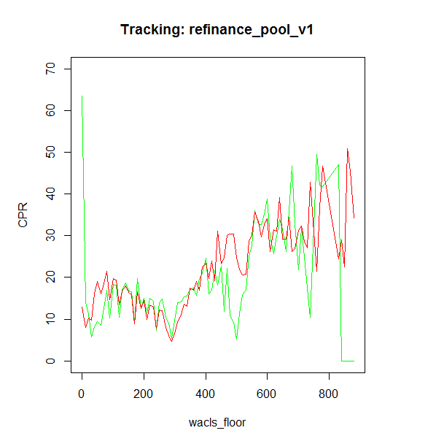
 |  |  | 2012-05-01 | 22.361817529 | 20.093472026 | 16.8 | 5.1453913221 | 30.933814228
 |  |  | 2012-06-01 | 22.136759574 | 20.484244899 | 18.8 | 2.7308047512 | 11.133964455
 |  |  | 2012-07-01 | 24.174638149 | 21.257303309 | 21.3 | 8.5108425704 | 8.2635444866
 |  |  | 2012-08-01 | 27.784703631 | 21.660329214 | 22.6 | 37.507962007 | 26.881151745
 |  |  | 2012-09-01 | 25.637015945 | 21.269160486 | 24.2 | 19.078161312 | 2.0650148271
 |  |  | 2012-10-01 | 29.275834235 | 21.791866526 | 22 | 56.009772679 | 52.937763821
 |  |  | 2012-11-01 | 27.02855249 | 22.038209429 | 25.1 | 24.903523868 | 3.7193147056
 |  |  | 2012-12-01 | 27.638561168 | 21.912560484 | 26.4 | 32.787083826 | 1.5340337659
 |  |  | 2013-01-01 | 27.786950817 | 21.890695697 | 25.7 | 34.765824445 | 4.3553637142
 |  |  | 2013-02-01 | 25.720960789 | 21.850414866 | 24.7 | 14.981125742 | 1.0423609331
 |  |  | 2013-03-01 | 25.024014253 | 20.077788774 | 21.9 | 24.465146487 | 9.759465051
 |  |  | 2013-04-01 | 23.969840764 | 20.200014452 | 15 | 14.21159042 | 80.458043323
 |  |  | 2013-05-01 | 23.454016351 | 22.174992585 | 13.8 | 1.635901795 | 93.20003171
 |  |  | 2013-06-01 | 20.682291084 | 20.842636435 | 17.2 | 0.025710631416 | 12.126351197
 |  |  | 2013-07-01 | 19.01581085 | 11.805683178 | 14 | 51.985941052 | 25.158358483
 |  |  | 2013-08-01 | 13.560217718 | 6.9573453009 | 7.2 | 43.597924152 | 40.452369417
 |  |  | 2013-09-01 | 9.4241345231 | 5.0050683789 | 4.8 | 19.528145587 | 21.382620088
 |  |  | 2013-10-01 | 8.0312806555 | 4.5617176627 | 3.8 | 12.037867361 | 17.903735986
 |  |  | 2013-11-01 | 6.8482070884 | 7.8505371436 | 3.6 | 1.0046655395 | 10.550849289
 |  |  | 2013-12-01 | 7.0713155243 | 6.8079803766 | 5.6 | 0.069345400017 | 2.164769372
 |  |  | 2014-01-01 | 5.6168287381 | 4.5656387463 | 4.8 | 1.1050003989 | 0.66720918739
 |  |  | 2014-02-01 | 4.434148086 | 4.509788515 | 3.6 | 0.0057214745075 | 0.69580302935
 |  |  | 2014-03-01 | 4.7474386254 | 6.2885424898 | 3.8 | 2.3750011209 | 0.89763994889
 |  |  | 2014-04-01 | 4.3301388047 | 6.3847288271 | 4.8 | 4.2213401602 | 0.22076954284
 |  |  | 2014-05-01 | 4.1764314987 | 6.6157370807 | 5 | 5.9502117221 | 0.67826507629
 |  |  | 2014-06-01 | 4.664399657 | 8.4135258274 | 5.4 | 14.055947042 | 0.54110786465
 |  |  | 2014-07-01 | 5.2197689803 | 8.8193555639 | 7.3 | 12.957023573 | 4.3273610955
 |  |  | 2014-08-01 | 4.6799580059 | 8.5276864314 | 7.4 | 14.805014037 | 7.3986284498
 |  |  | 2014-09-01 | 5.0920207621 | 8.9275908531 | 7.6 | 14.711597922 | 6.2899598576
 |  |  | 2014-10-01 | 5.4037982065 | 8.1683927304 | 7.8 | 7.6429828816 | 5.741783035
 |  |  | 2014-11-01 | 5.8446639584 | 10.723494642 | 7.2 | 23.802988842 | 1.8369357858
 |  |  | 2014-12-01 | 7.2390486647 | 11.848901982 | 9 | 21.250747603 | 3.1009496052
 |  |  | 2015-01-01 | 7.0631305138 | 15.571006947 | 9.4 | 72.383961409 | 5.4609589957
 |  |  | 2015-02-01 | 11.225658035 | 19.382149128 | 11.8 | 66.528346952 | 0.3298686931
 |  |  | 2015-03-01 | 13.61936545 | 17.755260072 | 15.4 | 17.105624325 | 3.1706594006
 |  |  | 2015-04-01 | 9.581904064 | 15.827950077 | 14.2 | 39.013090797 | 21.326810074
 |  |  | 2015-05-01 | 8.7045639905 | 18.488715816 | 13.1 | 95.729626939 | 19.319857714
 |  |  | 2015-06-01 | 8.4876629368 | 13.028944853 | 15 | 20.623241445 | 42.410534025
 |  |  | 2015-07-01 | 6.7117370743 | 9.7367041326 | 11.7 | 9.1504257037 | 24.882767016
 |  |  | 2015-08-01 | 5.1654397361 | 8.5414721538 | 9.2 | 11.397594885 | 16.277676523
 |  |  | 2015-09-01 | 5.469139062 | 11.122705505 | 8.1 | 31.962813521 | 6.9214292753

0515v4
 |  | actual | model v2 | model v1 | Square Error |  | RMSE |  |  | actual | model v2 | model v1 |  | actual | model v2 | model v1 |  | actual | model v2 | model v1
Fix loan size corve | 2000-01-01 | 1.2535393837 | 1.1023119879 | 1.1 | 0.022869725254 | 0.023574342357 | 14.475629698 | 11.056613757 | 2008-06-01 | 15.99682931 | 2.8692321445 | 0 | 2010-03-01 | 0 | 1.5412316062 | 0.1 | 2013-09-01 | 0 | 0.3690049929 | 0
 | 2000-02-01 | 1.1353790865 | 0.88898749019 | 0.5 | 0.060708818747 | 0.4037065836 | 2735.8940129 | 2089.7 | 2008-07-01 | 14.470730039 | 0.89335337215 | 0 | 2010-05-01 | 2.3546342068 | 1.8461066511 | 0.1 | 2013-10-01 | 0 | 0.699481548 | 0
 | 2000-03-01 | 1.181176154 | 0.89197299991 | 0.4 | 0.083638464339 | 0.61023618359 | 189 | 189 | 2008-08-01 | 3.5877677445 | 0.63532942656 | 0 | 2010-06-01 | 0 | 2.5494255038 | 0.1 | 2013-11-01 | 0 | 0.74770524633 | 0
 | 2000-04-01 | 1.4526721062 | 1.118188682 | 0.3 | 0.11187916108 | 1.3286529845 |  |  | 2008-09-01 | 6.2488482795 | 1.4753514975 | 0 | 2010-07-01 | 0 | 2.4258926254 | 0.2 | 2013-12-01 | 28.507649868 | 0.41685400939 | 0
 | 2000-05-01 | 1.2976515696 | 1.4198725395 | 0.4 | 0.014937965489 | 0.80577834035 |  |  | 2008-10-01 | 25.124778909 | 2.6798275772 | 0 | 2010-08-01 | 0 | 3.9371496993 | 0.2 | 2014-01-01 | 0.011096823104 | 0.98331071707 | 0
Conventional
Jumbo
 | actual | model v2 | model v1
6/1/2008 | 15.99682931 | 2.8692321445 | 0
7/1/2008 | 14.470730039 | 0.89335337215 | 0
8/1/2008 | 3.5877677445 | 0.63532942656 | 0
9/1/2008 | 6.2488482795 | 1.4753514975 | 0
10/1/2008 | 25.124778909 | 2.6798275772 | 0
11/1/2008 | 13.325528357 | 2.6662737772 | 4.5
12/1/2008 | 11.720807192 | 5.8503445669 | 3.2
1/1/2009 | 25.676601609 | 33.765846864 | 3.5
2/1/2009 | 25.060766314 | 42.984358902 | 32.2
3/1/2009 | 33.953462041 | 40.530241226 | 51.5
4/1/2009 | 38.035694837 | 43.102778786 | 39.4
5/1/2009 | 34.347130128 | 46.684262404 | 51.1
6/1/2009 | 41.274734067 | 45.305830315 | 60.7
7/1/2009 | 51.664181052 | 18.751640977 | 57.3
8/1/2009 | 33.07095073 | 28.67077248 | 16.3
9/1/2009 | 34.932212015 | 30.119842862 | 26.4
10/1/2009 | 43.062197892 | 38.144375066 | 28.3
11/1/2009 | 50.907581982 | 41.001403379 | 36.7
12/1/2009 | 61.5845305 | 43.523256659 | 42.6
1/1/2010 | 45.133461654 | 41.270281671 | 50.6
2/1/2010 | 52.443641153 | 35.998441527 | 45.5
3/1/2010 | 47.838111703 | 35.759565883 | 38.2
4/1/2010 | 45.12126055 | 34.736155486 | 38.3
5/1/2010 | 47.128189886 | 28.07610034 | 37.2
6/1/2010 | 41.995495498 | 37.824111394 | 32.5
7/1/2010 | 62.382325254 | 43.449975597 | 42.8
8/1/2010 | 54.217748159 | 46.963352211 | 51.1
9/1/2010 | 58.550964181 | 50.752726446 | 56
10/1/2010 | 53.083727581 | 51.120232579 | 69.5
11/1/2010 | 64.495352833 | 51.440021975 | 75.1
12/1/2010 | 54.952042726 | 49.756446911 | 76.7
1/1/2011 | 23.760500586 | 15.19304803 | 70.9
2/1/2011 | 15.303475992 | 9.2072614145 | 17.3
3/1/2011 | 7.7544967504 | 3.6315816211 | 11.7
4/1/2011 | 5.8152588285 | 4.8205951618 | 5.5
5/1/2011 | 8.0867463002 | 5.3998976175 | 6.7
6/1/2011 | 12.600923138 | 9.4555706125 | 7
7/1/2011 | 16.365634923 | 13.726825491 | 10.4
8/1/2011 | 21.882237232 | 13.613918785 | 13.7
9/1/2011 | 53.838903833 | 25.851380872 | 13.6
10/1/2011 | 36.725196154 | 30.750519461 | 33.4
11/1/2011 | 27.229959465 | 28.493332958 | 43.3
12/1/2011 | 23.458891876 | 29.258270134 | 37.4
1/1/2012 | 25.902351707 | 30.680876359 | 41.2
2/1/2012 | 33.294758538 | 29.728653664 | 41.9
3/1/2012 | 30.029057768 | 29.305593698 | 38.9
4/1/2012 | 19.77947562 | 26.728043938 | 35.9
5/1/2012 | 23.651006865 | 28.379789073 | 27.3
6/1/2012 | 31.172285595 | 31.064501716 | 31.4
7/1/2012 | 37.993906998 | 34.8326567 | 37.5
...
 | 2000-06-01 | 2.0225926784 | 1.0590759322 | 0.4 | 0.92836452031 | 2.632807 |  |  | 2008-11-01 | 13.325528357 | 2.6662737772 | 4.5 | 2010-09-01 | 0 | 4.8307402272 | 0.2 | 2014-02-01 | 0 | 2.4013903075 | 0
 | 2000-07-01 | 1.5807116861 | 1.6728260476 | 0.3 | 0.0084850555973 | 1.6402224228 |  |  | 2008-12-01 | 11.720807192 | 5.8503445669 | 3.2 | 2010-10-01 | 1.7488395068 | 5.2970379538 | 0.3 | 2014-03-01 | 24.647675431 | 3.486347624 | 0
 | 2000-08-01 | 1.5421275545 | 2.388383971 | 0.4 | 0.71614992237 | 1.3044553508 |  |  | 2009-01-01 | 25.676601609 | 33.765846864 | 3.5 | 2010-11-01 | 3.9109831515 | 4.735139188 | 0.3 | 2014-04-01 | 3.5371074649 | 3.3320510825 | 0
 | 2000-09-01 | 2.5043865853 | 3.3462125372 | 0.5 | 0.70867093345 | 4.0175655831 |  |  | 2009-02-01 | 25.060766314 | 42.984358902 | 32.2 | 2010-12-01 | 3.6766563797 | 3.90042443 | 0.3 | 2014-05-01 | 2.5529921643 | 3.2039983573 | 0
 | 2000-10-01 | 2.4512740997 | 4.5672071602 | 0.9 | 4.4771727165 | 2.4064513325 |  |  | 2009-03-01 | 33.953462041 | 40.530241226 | 51.5 | 2011-01-01 | 5.776137518 | 2.9596164239 | 0.3 | 2014-06-01 | 6.3775144773 | 4.3863250551 | 0
 | 2000-11-01 | 3.0477081304 | 4.4637259645 | 1.4 | 2.0051065066 | 2.714942083 |  |  | 2009-04-01 | 38.035694837 | 43.102778786 | 39.4 | 2011-02-01 | 3.6317529151 | 2.3371115652 | 0.1 | 2014-07-01 | 8.4648546415 | 3.5785867283 | 0.1
 | 2000-12-01 | 3.1145932128 | 6.0217257221 | 2.2 | 8.4514194266 | 0.83648074481 |  |  | 2009-05-01 | 34.347130128 | 46.684262404 | 51.1 | 2011-03-01 | 4.4212626414 | 2.1224182313 | 0.1 | 2014-08-01 | 7.8898600953 | 3.4860708361 | 0.1
 | 2001-01-01 | 5.0764757304 | 14.913297142 | 3 | 96.763055479 | 4.3117514591 |  |  | 2009-06-01 | 41.274734067 | 45.305830315 | 60.7 | 2011-04-01 | 2.2074039557 | 2.575781654 | 0.1 | 2014-09-01 | 4.3261101608 | 3.8628411996 | 0.1
 | 2001-02-01 | 20.00396012 | 28.493057693 | 7.8 | 72.064777611 | 148.93664261 |  |  | 2009-07-01 | 51.664181052 | 18.751640977 | 57.3 | 2011-05-01 | 5.6913900252 | 2.6082145949 | 0.1 | 2014-10-01 | 6.3552727133 | 4.0473741166 | 0.1
 | 2001-03-01 | 26.836270054 | 28.331825244 | 13.4 | 2.2366853274 | 180.53335295 |  |  | 2009-08-01 | 33.07095073 | 28.67077248 | 16.3 | 2011-06-01 | 4.5115981117 | 3.1254222348 | 0.1 | 2014-11-01 | 3.9338495842 | 4.4542295971 | 0.1
 | 2001-04-01 | 21.790158494 | 28.405559761 | 13.4 | 43.76353392 | 70.394759557 |  |  | 2009-09-01 | 34.932212015 | 30.119842862 | 26.4 | 2011-07-01 | 3.9912244843 | 3.5199158107 | 0.1 | 2014-12-01 | 4.3900074007 | 5.8156268738 | 0.1
 | 2001-05-01 | 22.95171195 | 21.153053868 | 15.4 | 3.2351708947 | 57.028353375 |  |  | 2009-10-01 | 43.062197892 | 38.144375066 | 28.3 | 2011-08-01 | 3.5776519895 | 3.9688732449 | 0.2 | 2015-01-01 | 3.939553896 | 6.7477263189 | 0.1
 | 2001-06-01 | 26.515934883 | 15.998027746 | 12.4 | 110.62637054 | 199.25961763 |  |  | 2009-11-01 | 50.907581982 | 41.001403379 | 36.7 | 2011-09-01 | 4.0695668867 | 5.6905763684 | 0.2 | 2015-02-01 | 5.4117152014 | 9.6944064053 | 0.2
 | 2001-07-01 | 15.930695236 | 15.329981986 | 9.9 | 0.36085640918 | 36.369285029 |  |  | 2009-12-01 | 61.5845305 | 43.523256659 | 42.6 | 2011-10-01 | 4.1460954057 | 6.6901147879 | 0.3 | 2015-03-01 | 7.0189856178 | 8.5915900053 | 0.2
 | 2001-08-01 | 17.455489411 | 15.666000069 | 9.5 | 3.2022721047 | 63.289811768 |  |  | 2010-01-01 | 45.133461654 | 41.270281671 | 50.6 | 2011-11-01 | 3.4606144695 | 5.8213333529 | 0.3 | 2015-04-01 | 7.9710321464 | 8.3174206971 | 0.2
 | 2001-09-01 | 13.464790847 | 20.721595735 | 9.6 | 52.66121719 | 14.936608289 |  |  | 2010-02-01 | 52.443641153 | 35.998441527 | 45.5 | 2011-12-01 | 3.2525281036 | 5.9093646672 | 0.3 | 2015-05-01 | 4.3241909562 | 9.158301521 | 0.2
 | 2001-10-01 | 23.176271377 | 26.331179852 | 12.9 | 9.9534474875 | 105.60175341 |  |  | 2010-03-01 | 47.838111703 | 35.759565883 | 38.2 | 2012-01-01 | 3.9190569323 | 6.8267943487 | 0.3 | 2015-06-01 | 8.6439557001 | 5.8042105227 | 0.4
CQ
 | actual | model v2 | model v1
3/1/2010 | 0 | 1.5412316062 | 0.1
5/1/2010 | 2.3546342068 | 1.8461066511 | 0.1
6/1/2010 | 0 | 2.5494255038 | 0.1
7/1/2010 | 0 | 2.4258926254 | 0.2
8/1/2010 | 0 | 3.9371496993 | 0.2
9/1/2010 | 0 | 4.8307402272 | 0.2
10/1/2010 | 1.7488395068 | 5.2970379538 | 0.3
11/1/2010 | 3.9109831515 | 4.735139188 | 0.3
12/1/2010 | 3.6766563797 | 3.90042443 | 0.3
1/1/2011 | 5.776137518 | 2.9596164239 | 0.3
2/1/2011 | 3.6317529151 | 2.3371115652 | 0.1
3/1/2011 | 4.4212626414 | 2.1224182313 | 0.1
4/1/2011 | 2.2074039557 | 2.575781654 | 0.1
5/1/2011 | 5.6913900252 | 2.6082145949 | 0.1
6/1/2011 | 4.5115981117 | 3.1254222348 | 0.1
7/1/2011 | 3.9912244843 | 3.5199158107 | 0.1
8/1/2011 | 3.5776519895 | 3.9688732449 | 0.2
9/1/2011 | 4.0695668867 | 5.6905763684 | 0.2
10/1/2011 | 4.1460954057 | 6.6901147879 | 0.3
11/1/2011 | 3.4606144695 | 5.8213333529 | 0.3
12/1/2011 | 3.2525281036 | 5.9093646672 | 0.3
1/1/2012 | 3.9190569323 | 6.8267943487 | 0.3
2/1/2012 | 3.3853235134 | 6.0554968287 | 0.4
3/1/2012 | 4.5209781435 | 5.9784814293 | 0.4
4/1/2012 | 3.2881293352 | 6.1034787345 | 0.4
5/1/2012 | 6.2361494526 | 6.0960112662 | 0.4
6/1/2012 | 4.686250835 | 5.6912365012 | 0.5
7/1/2012 | 3.506666508 | 5.3835072154 | 0.6
8/1/2012 | 4.3441978695 | 5.1374031021 | 0.6
9/1/2012 | 3.7691802362 | 5.223426277 | 0.7
10/1/2012 | 4.1025357836 | 5.5732985395 | 0.6
11/1/2012 | 5.2849739952 | 6.1183736283 | 0.7
12/1/2012 | 5.1292448615 | 7.216219851 | 0.8
1/1/2013 | 4.4049160566 | 5.9954479123 | 0.8
2/1/2013 | 3.8427587601 | 5.7579428654 | 0.8
3/1/2013 | 4.468223066 | 5.7934517009 | 0.8
4/1/2013 | 5.0909125557 | 6.2663772159 | 0.6
5/1/2013 | 5.5800523119 | 6.925603905 | 0.6
6/1/2013 | 5.808221221 | 4.3090659473 | 1.4
7/1/2013 | 6.3308146398 | 2.5944852577 | 3.4
8/1/2013 | 4.5141379813 | 1.5677721522 | 2.7
9/1/2013 | 3.2140777402 | 1.4077190121 | 2.9
10/1/2013 | 3.0968154059 | 1.5224772408 | 3
11/1/2013 | 3.6258609165 | 2.1865527797 | 2.9
12/1/2013 | 4.041461347 | 1.7109369004 | 4.3
1/1/2014 | 2.6446191254 | 1.4968611471 | 3.7
2/1/2014 | 3.0469980831 | 1.7265848581 | 3
3/1/2014 | 3.4715776732 | 2.4233096678 | 3.3
4/1/2014 | 3.1302724147 | 2.6030642567 | 4.3
5/1/2014 | 3.314061632 | 3.0821754319 | 4.8
...
CR
 | actual | model v2 | model v1
9/1/2013 | 0 | 0.3690049929 | 0
10/1/2013 | 0 | 0.699481548 | 0
11/1/2013 | 0 | 0.74770524633 | 0
12/1/2013 | 28.507649868 | 0.41685400939 | 0
1/1/2014 | 0.011096823104 | 0.98331071707 | 0
2/1/2014 | 0 | 2.4013903075 | 0
3/1/2014 | 24.647675431 | 3.486347624 | 0
4/1/2014 | 3.5371074649 | 3.3320510825 | 0
5/1/2014 | 2.5529921643 | 3.2039983573 | 0
6/1/2014 | 6.3775144773 | 4.3863250551 | 0
7/1/2014 | 8.4648546415 | 3.5785867283 | 0.1
8/1/2014 | 7.8898600953 | 3.4860708361 | 0.1
9/1/2014 | 4.3261101608 | 3.8628411996 | 0.1
10/1/2014 | 6.3552727133 | 4.0473741166 | 0.1
11/1/2014 | 3.9338495842 | 4.4542295971 | 0.1
12/1/2014 | 4.3900074007 | 5.8156268738 | 0.1
1/1/2015 | 3.939553896 | 6.7477263189 | 0.1
2/1/2015 | 5.4117152014 | 9.6944064053 | 0.2
3/1/2015 | 7.0189856178 | 8.5915900053 | 0.2
4/1/2015 | 7.9710321464 | 8.3174206971 | 0.2
5/1/2015 | 4.3241909562 | 9.158301521 | 0.2
6/1/2015 | 8.6439557001 | 5.8042105227 | 0.4
7/1/2015 | 6.3465304997 | 4.7001912207 | 0.4
8/1/2015 | 4.8627047109 | 5.138581082 | 0.3
9/1/2015 | 5.7943300481 | 6.0652143515 | 0.3
 | 2001-11-01 | 32.813955422 | 39.822208999 | 15.4 | 49.115618198 | 303.24584346 |  |  | 2010-04-01 | 45.12126055 | 34.736155486 | 38.3 | 2012-02-01 | 3.3853235134 | 6.0554968287 | 0.4 | 2015-07-01 | 6.3465304997 | 4.7001912207 | 0.4
 | 2001-12-01 | 35.881594538 | 36.013671828 | 21.4 | 0.017444410646 | 209.71658036 |  |  | 2010-05-01 | 47.128189886 | 28.07610034 | 37.2 | 2012-03-01 | 4.5209781435 | 5.9784814293 | 0.4 | 2015-08-01 | 4.8627047109 | 5.138581082 | 0.3
 | 2002-01-01 | 24.542735784 | 12.539681236 | 19.4 | 144.07331846 | 26.44773134 |  |  | 2010-06-01 | 41.995495498 | 37.824111394 | 32.5 | 2012-04-01 | 3.2881293352 | 6.1034787345 | 0.4 | 2015-09-01 | 5.7943300481 | 6.0652143515 | 0.3
 | 2002-02-01 | 17.144155878 | 12.692966641 | 8.9 | 19.813085622 | 67.966106133 |  |  | 2010-07-01 | 62.382325254 | 43.449975597 | 42.8 | 2012-05-01 | 6.2361494526 | 6.0960112662 | 0.4
 | 2002-03-01 | 17.22920655 | 17.049726831 | 9.3 | 0.032212969393 | 62.872316512 |  |  | 2010-08-01 | 54.217748159 | 46.963352211 | 51.1 | 2012-06-01 | 4.686250835 | 5.6912365012 | 0.5
 | 2002-04-01 | 11.999618117 | 9.4673925374 | 11.6 | 6.4121663839 | 0.15969463913 |  |  | 2010-09-01 | 58.550964181 | 50.752726446 | 56 | 2012-07-01 | 3.506666508 | 5.3835072154 | 0.6
 | 2002-05-01 | 11.140140239 | 11.117106509 | 7.3 | 0.00053055269704 | 14.746677053 |  |  | 2010-10-01 | 53.083727581 | 51.120232579 | 69.5 | 2012-08-01 | 4.3441978695 | 5.1374031021 | 0.6
 | 2002-06-01 | 10.6017349 | 16.178059313 | 8.1 | 31.095393959 | 6.2586775104 |  |  | 2010-11-01 | 64.495352833 | 51.440021975 | 75.1 | 2012-09-01 | 3.7691802362 | 5.223426277 | 0.7
 | 2002-07-01 | 15.806219984 | 29.05428806 | 11 | 175.51130774 | 23.099750537 |  |  | 2010-12-01 | 54.952042726 | 49.756446911 | 76.7 | 2012-10-01 | 4.1025357836 | 5.5732985395 | 0.6
 | 2002-08-01 | 28.023003408 | 40.049082657 | 15.8 | 144.62658209 | 149.40181232 |  |  | 2011-01-01 | 23.760500586 | 15.19304803 | 70.9 | 2012-11-01 | 5.2849739952 | 6.1183736283 | 0.7
 | 2002-09-01 | 32.99143759 | 44.868500219 | 22.7 | 141.0646167 | 105.91368766 |  |  | 2011-02-01 | 15.303475992 | 9.2072614145 | 17.3 | 2012-12-01 | 5.1292448615 | 7.216219851 | 0.8
 | 2002-10-01 | 46.555597893 | 48.947564332 | 34.8 | 5.7215034456 | 138.19408183 |  |  | 2011-03-01 | 7.7544967504 | 3.6315816211 | 11.7 | 2013-01-01 | 4.4049160566 | 5.9954479123 | 0.8
 | 2002-11-01 | 44.391855689 | 47.272331953 | 46.8 | 8.2971435085 | 5.7991590232 |  |  | 2011-04-01 | 5.8152588285 | 4.8205951618 | 5.5 | 2013-02-01 | 3.8427587601 | 5.7579428654 | 0.8
 | 2002-12-01 | 43.743179136 | 47.031768697 | 42.1 | 10.814821299 | 2.7000376739 |  |  | 2011-05-01 | 8.0867463002 | 5.3998976175 | 6.7 | 2013-03-01 | 4.468223066 | 5.7934517009 | 0.8
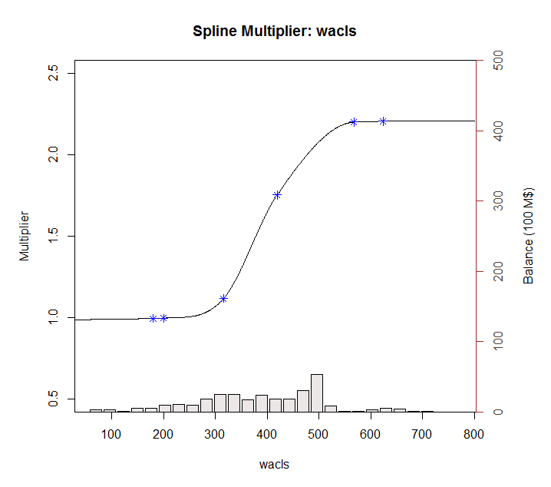
 | 2003-01-01 | 40.42808224 | 45.066665851 | 40.2 | 21.516457917 | 0.052021508337 |  |  | 2011-06-01 | 12.600923138 | 9.4555706125 | 7 | 2013-04-01 | 5.0909125557 | 6.2663772159 | 0.6
 | 2003-02-01 | 41.831671475 | 46.175487307 | 36 | 18.868735983 | 34.008392193 |  |  | 2011-07-01 | 16.365634923 | 13.726825491 | 10.4 | 2013-05-01 | 5.5800523119 | 6.925603905 | 0.6
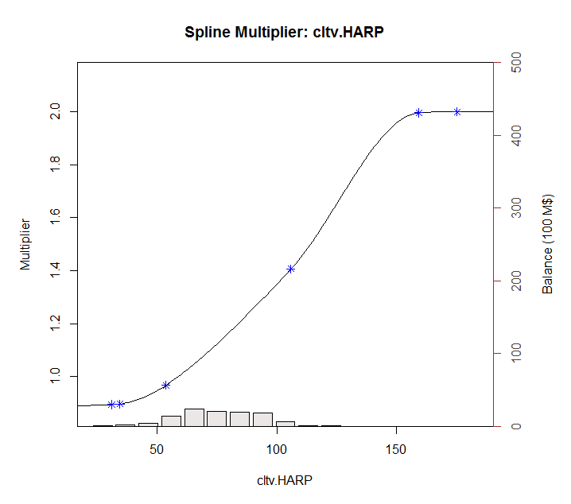
 | 2003-03-01 | 45.338002459 | 45.762880939 | 38.8 | 0.18052172332 | 42.745476148 |  |  | 2011-08-01 | 21.882237232 | 13.613918785 | 13.7 | 2013-06-01 | 5.808221221 | 4.3090659473 | 1.4
 | 2003-04-01 | 53.268003858 | 45.988049836 | 36.1 | 52.997730572 | 294.74035647 |  |  | 2011-09-01 | 53.838903833 | 25.851380872 | 13.6 | 2013-07-01 | 6.3308146398 | 2.5944852577 | 3.4
 | 2003-05-01 | 48.970104781 | 43.523258858 | 35.3 | 29.668130503 | 186.87176471 |  |  | 2011-10-01 | 36.725196154 | 30.750519461 | 33.4 | 2013-08-01 | 4.5141379813 | 1.5677721522 | 2.7
 | 2003-06-01 | 52.449533346 | 46.187389572 | 27.3 | 39.214444646 | 632.49902754 |  |  | 2011-11-01 | 27.229959465 | 28.493332958 | 43.3 | 2013-09-01 | 3.2140777402 | 1.4077190121 | 2.9
 | 2003-07-01 | 66.993257969 | 49.81181926 | 38.4 | 295.20183611 | 817.57440129 |  |  | 2011-12-01 | 23.458891876 | 29.258270134 | 37.4 | 2013-10-01 | 3.0968154059 | 1.5224772408 | 3
 | 2003-08-01 | 55.747948865 | 33.054790293 | 49.5 | 514.97944599 | 39.036865026 |  |  | 2012-01-01 | 25.902351707 | 30.680876359 | 41.2 | 2013-11-01 | 3.6258609165 | 2.1865527797 | 2.9
 | 2003-09-01 | 37.095392773 | 8.8540572261 | 18.6 | 797.57303347 | 342.07955383 |  |  | 2012-02-01 | 33.294758538 | 29.728653664 | 41.9 | 2013-12-01 | 4.041461347 | 1.7109369004 | 4.3
 | 2003-10-01 | 24.586137859 | 11.448507079 | 6.7 | 172.59734251 | 319.9139275 |  |  | 2012-03-01 | 30.029057768 | 29.305593698 | 38.9 | 2014-01-01 | 2.6446191254 | 1.4968611471 | 3.7
 | 2003-11-01 | 17.287136905 | 14.61585018 | 8.5 | 7.1357727674 | 77.213774988 |  |  | 2012-04-01 | 19.77947562 | 26.728043938 | 35.9 | 2014-02-01 | 3.0469980831 | 1.7265848581 | 3
 | 2003-12-01 | 16.294472102 | 14.043808425 | 10.8 | 5.0654869904 | 30.189223684 |  |  | 2012-05-01 | 23.651006865 | 28.379789073 | 27.3 | 2014-03-01 | 3.4715776732 | 2.4233096678 | 3.3
 | 2004-01-01 | 12.154474972 | 14.16956834 | 11.1 | 4.0606012801 | 1.1119174672 |  |  | 2012-06-01 | 31.172285595 | 31.064501716 | 31.4 | 2014-04-01 | 3.1302724147 | 2.6030642567 | 4.3
 | 2004-02-01 | 17.779596771 | 18.605595395 | 11.3 | 0.68227372644 | 41.985174315 |  |  | 2012-07-01 | 37.993906998 | 34.8326567 | 37.5 | 2014-05-01 | 3.314061632 | 3.0821754319 | 4.8
 | 2004-03-01 | 25.61934727 | 21.648271092 | 13.9 | 15.769446014 | 137.34310044 |  |  | 2012-08-01 | 47.79539535 | 38.040831436 | 42.7 | 2014-06-01 | 3.4633798127 | 4.4882945117 | 5.9
 | 2004-04-01 | 31.887200888 | 30.165058815 | 15.1 | 2.9657733185 | 281.81011364 |  |  | 2012-09-01 | 39.761897373 | 36.638207031 | 47.6 | 2014-07-01 | 4.0920545584 | 4.916542193 | 8.7
 | 2004-05-01 | 20.563350698 | 10.800830759 | 19.9 | 95.306795558 | 0.44003414819 |  |  | 2012-10-01 | 45.502454195 | 38.342819366 | 42.5 | 2014-08-01 | 3.6296264442 | 4.5076515943 | 9.3
 | 2004-06-01 | 14.430890256 | 4.8558201256 | 9.5 | 91.681967995 | 24.313678713 |  |  | 2012-11-01 | 40.140056435 | 39.093694725 | 47.6 | 2014-09-01 | 3.955596549 | 5.3791425773 | 9.7
 | 2004-07-01 | 9.6342589561 | 4.8285394947 | 4.7 | 23.094939542 | 24.346911446 |  |  | 2012-12-01 | 37.646957213 | 38.149546232 | 49 | 2014-10-01 | 4.2275735292 | 5.3861270381 | 10.5
 | 2004-08-01 | 9.4855108216 | 8.0196504869 | 4.8 | 2.1487465211 | 21.95401166 |  |  | 2013-01-01 | 39.133241017 | 39.517079654 | 45.6 | 2014-11-01 | 3.4268201785 | 6.1053441986 | 9.9
 | 2004-09-01 | 10.058029533 | 10.324548855 | 8.2 | 0.071032549086 | 3.4522737439 |  |  | 2013-02-01 | 26.12862191 | 37.621149115 | 43.5 | 2014-12-01 | 4.8339209368 | 7.9358019321 | 12.1
 | 2004-10-01 | 10.511497634 | 12.419886036 | 10.5 | 3.6419462908 | 0.00013219558992 |  |  | 2013-03-01 | 24.738445193 | 32.649355349 | 36.2 | 2015-01-01 | 3.563853287 | 9.3204224634 | 12.6
 | 2004-11-01 | 12.481890613 | 13.865133479 | 12.3 | 1.9133608255 | 0.033084195187 |  |  | 2013-04-01 | 21.081080041 | 31.845448014 | 22.8 | 2015-02-01 | 4.8818524535 | 13.004306032 | 17.5
 | 2004-12-01 | 13.041320247 | 13.369913064 | 13.4 | 0.10797323977 | 0.12865116528 |  |  | 2013-05-01 | 27.553650538 | 37.730535401 | 19.8 | 2015-03-01 | 6.3335164962 | 12.570041088 | 21.3
 | 2005-01-01 | 8.2221808359 | 12.774559017 | 13.3 | 20.724147108 | 25.784247463 |  |  | 2013-06-01 | 20.352302196 | 34.988493665 | 26.2 | 2015-04-01 | 6.4566013401 | 13.141573381 | 20.4
 | 2005-02-01 | 9.4654253268 | 13.382220062 | 12.9 | 15.341280999 | 11.796303186 |  |  | 2013-07-01 | 11.989762774 | 12.86953459 | 20.1 | 2015-05-01 | 5.8513558456 | 16.3320564 | 20.4
 | 2005-03-01 | 14.642196792 | 15.515059392 | 13.6 | 0.76188911903 | 1.0861741526 |  |  | 2013-08-01 | 5.8406369336 | 5.9066386456 | 7.2 | 2015-06-01 | 6.8785328115 | 12.279726617 | 23.7
 | 2005-04-01 | 8.4869455663 | 7.799965787 | 15.4 | 0.47194121713 | 47.790321603 |  |  | 2013-09-01 | 2.9248349691 | 3.9606738076 | 4.2 | 2015-07-01 | 6.4018147888 | 10.306654572 | 21.1
 | 2005-05-01 | 8.2967701004 | 9.0831707669 | 9.3 | 0.61842600834 | 1.0064702315 |  |  | 2013-10-01 | 2.4648009668 | 3.7693048613 | 3.4 | 2015-08-01 | 5.0970291826 | 11.071160569 | 18.7
 | 2005-06-01 | 11.774234952 | 12.235490401 | 10.9 | 0.21275658965 | 0.76428675077 |  |  | 2013-11-01 | 3.2750731265 | 9.2882411246 | 3.2 | 2015-09-01 | 5.8122177011 | 12.75882965 | 17.5
 | 2005-07-01 | 12.945004645 | 18.105586651 | 14.4 | 26.631606638 | 2.1170114833 |  |  | 2013-12-01 | 3.3417272418 | 7.6998227973 | 5.8
 | 2005-08-01 | 14.128097666 | 12.650896782 | 19.6 | 2.1821224502 | 29.941715153 |  |  | 2014-01-01 | 2.6425300432 | 4.4859150915 | 5.1
 | 2005-09-01 | 9.4783024427 | 9.2727315664 | 15.5 | 0.042259385199 | 36.260841471 |  |  | 2014-02-01 | 2.2120201154 | 4.8087889733 | 3.6
 | 2005-10-01 | 8.2205980183 | 8.7861805967 | 12.4 | 0.319883653 | 17.467400925 |  |  | 2014-03-01 | 2.8273154542 | 7.7186836593 | 3.6
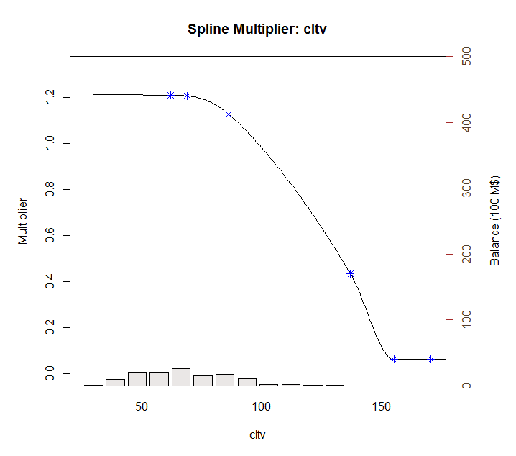
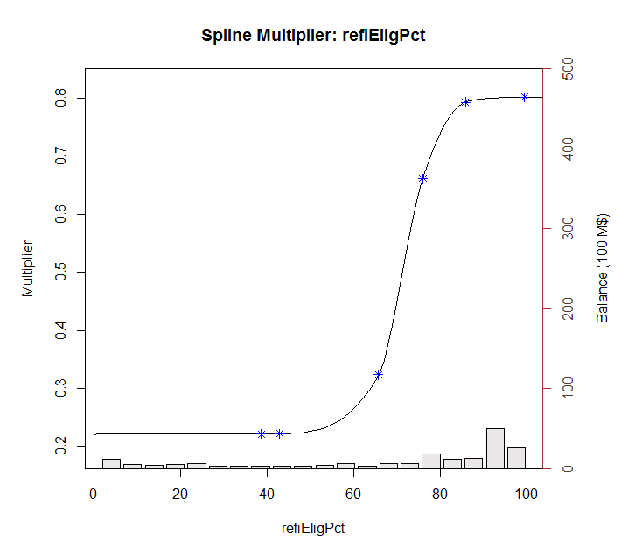
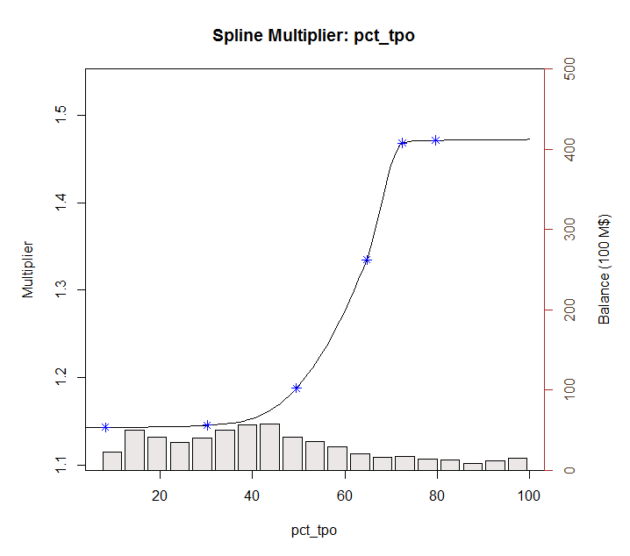
 | 2005-11-01 | 6.2572785565 | 4.8827541231 | 11.7 | 1.889317418 | 29.623216712 |  |  | 2014-04-01 | 3.5360722749 | 8.0557134696 | 4.8

 | 2005-12-01 | 4.3821714447 | 2.8803688285 | 5.9 | 2.2554110979 | 2.3038035233 |  |  | 2014-05-01 | 3.4113012018 | 8.5973817078 | 4.7
 | 2006-01-01 | 2.7522874081 | 3.9348935275 | 2.8 | 1.3985572336 | 0.0022764914259 |  |  | 2014-06-01 | 6.1601927427 | 13.898101573 | 4.8
 | 2006-02-01 | 3.0806618486 | 5.12689441 | 3 | 4.1870676953 | 0.006506333826 |  |  | 2014-07-01 | 6.5807217445 | 14.568938869 | 6.7
 | 2006-03-01 | 3.836885495 | 4.0972019084 | 4.4 | 0.067764635125 | 0.3170979458 |  |  | 2014-08-01 | 5.6859122396 | 15.142814178 | 6.9
 | 2006-04-01 | 2.1681414912 | 3.5144091075 | 3.1 | 1.8124364946 | 0.86836028038 |  |  | 2014-09-01 | 5.7710524898 | 16.247814752 | 7.3
 | 2006-05-01 | 2.9528737654 | 2.6064494229 | 2.4 | 0.12000982508 | 0.30566940046 |  |  | 2014-10-01 | 6.7635059541 | 14.562983733 | 7.5
 | 2006-06-01 | 2.7153279951 | 2.3095543824 | 1.5 | 0.16465222483 | 1.4770221358 |  |  | 2014-11-01 | 11.300446258 | 22.196462712 | 7.1
 | 2006-07-01 | 1.7818331559 | 2.05626773 | 1.2 | 0.075314335461 | 0.33852982127 |  |  | 2014-12-01 | 14.580978368 | 23.995928156 | 9.9
 | 2006-08-01 | 2.3727840063 | 1.858794509 | 1 | 0.26418520327 | 1.8845359279 |  |  | 2015-01-01 | 12.317675085 | 34.270037964 | 10.7
 | 2006-09-01 | 1.7838408732 | 3.0373428462 | 0.9 | 1.5712671962 | 0.78117468917 |  |  | 2015-02-01 | 22.842752646 | 46.166554942 | 14
 | 2006-10-01 | 2.9762976028 | 3.71069344 | 1.4 | 0.53933724558 | 2.4847141327 |  |  | 2015-03-01 | 26.139756793 | 41.366810427 | 19.9
 | 2006-11-01 | 3.0146064689 | 4.1658291702 | 1.8 | 1.3253137081 | 1.4752688743 |  |  | 2015-04-01 | 16.772453236 | 37.258491574 | 17.9
 | 2006-12-01 | 3.7466295558 | 5.2100928693 | 2.1 | 2.1417248699 | 2.7113888941 |  |  | 2015-05-01 | 14.24400943 | 43.63231809 | 15.3
 | 2007-01-01 | 4.2859126484 | 6.8531975538 | 3 | 6.5909517855 | 1.6535713393 |  |  | 2015-06-01 | 11.834976954 | 30.085278481 | 17.6
 | 2007-02-01 | 3.420605193 | 5.301090468 | 4.5 | 3.5362248694 | 1.1650931493 |  |  | 2015-07-01 | 7.3606756556 | 20.697715971 | 12.2
 | 2007-03-01 | 3.6011130777 | 5.1886402199 | 2.8 | 2.5202424273 | 0.64178216318 |  |  | 2015-08-01 | 5.2976984381 | 17.290440898 | 8.7
 | 2007-04-01 | 3.5329567342 | 6.1479056158 | 2.6 | 6.8379576532 | 0.87040826795 |  |  | 2015-09-01 | 7.268495953 | 22.260987863 | 7.7
 | 2007-05-01 | 3.6322165538 | 5.436861282 | 3.3 | 3.2567425949 | 0.11036783865
 | 2007-06-01 | 2.7310491166 | 4.3955006189 | 2.5 | 2.7703988036 | 0.053383694282
 | 2007-07-01 | 2.7801734205 | 2.1191253853 | 1.7 | 0.4369845049 | 1.1667746184
 | 2007-08-01 | 2.6787917429 | 1.898322602 | 0.5 | 0.60913207998 | 4.747133459
 | 2007-09-01 | 1.9559605465 | 2.2615976178 | 0.4 | 0.093414019339 | 2.4210132223
 | 2007-10-01 | 2.9705973058 | 2.9702905716 | 0.5 | 9.408588551E-08 | 6.1038510473
 | 2007-11-01 | 3.0433114392 | 3.1854010448 | 0.8 | 0.020189456031 | 5.0324462131
 | 2007-12-01 | 3.7545972324 | 4.4172941142 | 0.9 | 0.4391671571 | 8.1487253593
 | 2008-01-01 | 5.4967373254 | 5.5857466051 | 1.7 | 0.0079226518718 | 14.415214318
 | 2008-02-01 | 12.165171874 | 14.772705188 | 2.4 | 6.7992299841 | 95.358581719
 | 2008-03-01 | 10.351966645 | 7.4676600656 | 5.5 | 8.3192244432 | 23.541580323
 | 2008-04-01 | 8.244559386 | 5.8548274868 | 3.3 | 5.7108185501 | 24.448667521
 | 2008-05-01 | 5.3157680118 | 6.1093953924 | 2.8 | 0.6298444192 | 6.3290886893
 | 2008-06-01 | 3.1312366299 | 3.882293967 | 3 | 0.56408712351 | 0.017223053033
 | 2008-07-01 | 2.4871758844 | 1.6434785364 | 2.1 | 0.71182521515 | 0.14990516548
 | 2008-08-01 | 1.5376280285 | 1.4724974801 | 0.7 | 0.0042419883447 | 0.7016207142
 | 2008-09-01 | 1.9401465081 | 1.1198173634 | 0.5 | 0.67293990569 | 2.0740219648
 | 2008-10-01 | 3.4641471246 | 2.7941867207 | 0.4 | 0.44884694282 | 9.3889976012
 | 2008-11-01 | 1.9502748387 | 1.6998017078 | 1.6 | 0.062736789337 | 0.12269246265
 | 2008-12-01 | 4.2248368763 | 2.8207565914 | 1 | 1.9714414463 | 10.399572879
 | 2009-01-01 | 14.71108343 | 17.941225875 | 1.3 | 10.433820212 | 179.85715878
 | 2009-02-01 | 22.619612706 | 25.285451474 | 9.8 | 7.1066963383 | 164.34246993
 | 2009-03-01 | 21.017479299 | 20.469373128 | 18.1 | 0.30042037415 | 8.5116854582
 | 2009-04-01 | 20.44238096 | 23.683270936 | 12.9 | 10.503367835 | 56.887510542
 | 2009-05-01 | 21.284935499 | 22.613265858 | 16.2 | 1.7644615419 | 25.856569029
 | 2009-06-01 | 20.529470267 | 23.35306249 | 20.8 | 7.9726730383 | 0.07318633629
 | 2009-07-01 | 14.43282409 | 7.6669590062 | 17.6 | 45.776930329 | 10.031003246
 | 2009-08-01 | 8.1273274849 | 13.375496475 | 4.9 | 27.543277751 | 10.415642695
 | 2009-09-01 | 6.7565030223 | 12.016032735 | 6.8 | 27.662652798 | 0.0018919870678
 | 2009-10-01 | 8.5319916803 | 16.618869593 | 6.8 | 65.397594375 | 2.9997951807
 | 2009-11-01 | 10.676597544 | 15.862162692 | 8.8 | 26.890085903 | 3.5216183431
 | 2009-12-01 | 13.167149959 | 18.673378401 | 9.9 | 30.318551651 | 10.674268855
 | 2010-01-01 | 10.368161496 | 15.04099406 | 11.2 | 21.83536417 | 0.69195529722
 | 2010-02-01 | 40.103986745 | 13.631921638 | 9.4 | 700.77023104 | 942.73480205
 | 2010-03-01 | 13.338352005 | 11.956846911 | 7.3 | 1.9085563265 | 36.46169494
 | 2010-04-01 | 11.341360917 | 12.819534707 | 7.3 | 2.1849977518 | 16.332598062
 | 2010-05-01 | 8.8785731111 | 8.9519794326 | 7.1 | 0.0053884880327 | 3.1633223115
 | 2010-06-01 | 11.387450306 | 14.540499705 | 5.7 | 9.9417205182 | 32.347090979
 | 2010-07-01 | 14.343833932 | 16.048468794 | 8.1 | 2.9057800116 | 38.985462172
 | 2010-08-01 | 21.04050597 | 19.778575966 | 10.4 | 1.5924673346 | 113.2203673
 | 2010-09-01 | 24.356143574 | 20.509091915 | 12.3 | 14.799806465 | 145.35059787
 | 2010-10-01 | 25.121845992 | 22.597290142 | 17.7 | 6.373382241 | 55.083797932
 | 2010-11-01 | 27.851354313 | 21.133049845 | 20.5 | 45.135614926 | 54.042410231
 | 2010-12-01 | 25.446919783 | 21.012006099 | 21.8 | 19.668459388 | 13.300023907
 | 2011-01-01 | 17.836594875 | 11.034803887 | 18.2 | 46.264360641 | 0.13206328485
 | 2011-02-01 | 13.774446034 | 9.8264601234 | 7.1 | 15.586592752 | 44.548229865
 | 2011-03-01 | 9.3175980914 | 6.0616913327 | 6.1 | 10.600928822 | 10.352937478
 | 2011-04-01 | 7.1770878968 | 7.8326439763 | 4.5 | 0.42975377331 | 7.1667996073
 | 2011-05-01 | 6.2314834397 | 7.4042579473 | 5.2 | 1.3754000457 | 1.0639580864
 | 2011-06-01 | 7.8932423346 | 10.489196305 | 5.1 | 6.738977016 | 7.8022027397
 | 2011-07-01 | 8.6869501868 | 12.014275979 | 6.5 | 11.071096929 | 4.7827511194
 | 2011-08-01 | 10.648261171 | 12.279139777 | 7.6 | 2.6597650263 | 9.2918961685
 | 2011-09-01 | 16.722398609 | 18.648137026 | 7.1 | 3.7084684499 | 92.590554997
 | 2011-10-01 | 21.213946392 | 21.809829543 | 15.1 | 0.35507672999 | 37.380340485
 | 2011-11-01 | 22.063107229 | 20.100764634 | 19 | 3.850788462 | 9.3826258971
 | 2011-12-01 | 20.403143785 | 20.70264895 | 17.6 | 0.089703344034 | 7.8576150778
 | 2012-01-01 | 19.816985421 | 21.279437353 | 20.2 | 2.1387656521 | 0.14670016762
 | 2012-02-01 | 23.346599681 | 20.033662267 | 20.7 | 10.975554307 | 7.004489872
 | 2012-03-01 | 24.213535021 | 19.688384611 | 20.6 | 20.476986234 | 13.057635346
 | 2012-04-01 | 21.652410837 | 19.030180058 | 19.7 | 6.8760942583 | 3.811908075
 | 2012-05-01 | 22.361817529 | 20.276242574 | 16.8 | 4.3496228947 | 30.933814228
 | 2012-06-01 | 22.136759574 | 20.605114232 | 18.8 | 2.3459374538 | 11.133964455
 | 2012-07-01 | 24.174638149 | 21.53556501 | 21.3 | 6.9647070297 | 8.2635444866
 | 2012-08-01 | 27.784703631 | 21.986771576 | 22.6 | 33.616016121 | 26.881151745
 | 2012-09-01 | 25.637015945 | 21.773047308 | 24.2 | 14.930253629 | 2.0650148271
 | 2012-10-01 | 29.275834235 | 22.317597396 | 22 | 48.417059917 | 52.937763821
 | 2012-11-01 | 27.02855249 | 22.577514001 | 25.1 | 19.811743627 | 3.7193147056
 | 2012-12-01 | 27.638561168 | 22.626586392 | 26.4 | 25.11989115 | 1.5340337659
 | 2013-01-01 | 27.786950817 | 22.366021952 | 25.7 | 29.386469762 | 4.3553637142
 | 2013-02-01 | 25.720960789 | 22.494224395 | 24.7 | 10.411827759 | 1.0423609331
 | 2013-03-01 | 25.024014253 | 20.56198633 | 21.9 | 19.909693185 | 9.759465051
 | 2013-04-01 | 23.969840764 | 20.896613165 | 15 | 9.4447278754 | 80.458043323
 | 2013-05-01 | 23.454016351 | 23.182815859 | 13.8 | 0.073549707041 | 93.20003171
 | 2013-06-01 | 20.682291084 | 21.737468898 | 17.2 | 1.1134002172 | 12.126351197
 | 2013-07-01 | 19.01581085 | 12.501433346 | 14 | 42.437114265 | 25.158358483
 | 2013-08-01 | 13.560217718 | 7.3034697158 | 7.2 | 39.14689556 | 40.452369417
 | 2013-09-01 | 9.4241345231 | 5.3282370845 | 4.8 | 16.776375828 | 21.382620088
 | 2013-10-01 | 8.0312806555 | 4.7842593744 | 3.8 | 10.5431472 | 17.903735986
 | 2013-11-01 | 6.8482070884 | 8.1430643996 | 3.6 | 1.6766554564 | 10.550849289
 | 2013-12-01 | 7.0713155243 | 7.1792089081 | 5.6 | 0.011640982267 | 2.164769372
 | 2014-01-01 | 5.6168287381 | 4.8729353217 | 4.8 | 0.55337741497 | 0.66720918739
 | 2014-02-01 | 4.434148086 | 4.6874452982 | 3.6 | 0.064159477725 | 0.69580302935
 | 2014-03-01 | 4.7474386254 | 6.6250863079 | 3.8 | 3.5255608195 | 0.89763994889
 | 2014-04-01 | 4.3301388047 | 6.7864247384 | 4.8 | 6.033340588 | 0.22076954284
 | 2014-05-01 | 4.1764314987 | 6.9428310149 | 5 | 7.6529662831 | 0.67826507629
 | 2014-06-01 | 4.664399657 | 8.787804466 | 5.4 | 17.002467219 | 0.54110786465
 | 2014-07-01 | 5.2197689803 | 9.4144938315 | 7.3 | 17.595716577 | 4.3273610955
 | 2014-08-01 | 4.6799580059 | 8.9218590519 | 7.4 | 17.993724484 | 7.3986284498
 | 2014-09-01 | 5.0920207621 | 9.4607176034 | 7.6 | 19.085512091 | 6.2899598576
 | 2014-10-01 | 5.4037982065 | 8.6674803353 | 7.8 | 10.651621038 | 5.741783035
 | 2014-11-01 | 5.8446639584 | 11.180200255 | 7.2 | 28.467947577 | 1.8369357858
 | 2014-12-01 | 7.2390486647 | 12.501919701 | 9 | 27.697811546 | 3.1009496052
 | 2015-01-01 | 7.0631305138 | 16.207589818 | 9.4 | 83.621135958 | 5.4609589957
 | 2015-02-01 | 11.225658035 | 19.996890275 | 11.8 | 76.934515013 | 0.3298686931
 | 2015-03-01 | 13.61936545 | 18.544786408 | 15.4 | 24.259771612 | 3.1706594006
 | 2015-04-01 | 9.581904064 | 16.344441068 | 14.2 | 45.731906732 | 21.326810074
 | 2015-05-01 | 8.7045639905 | 19.432554342 | 13.1 | 115.08977697 | 19.319857714
 | 2015-06-01 | 8.4876629368 | 13.539473641 | 15 | 25.520791389 | 42.410534025
 | 2015-07-01 | 6.7117370743 | 10.137392528 | 11.7 | 11.735115289 | 24.882767016
 | 2015-08-01 | 5.1654397361 | 8.8769638957 | 9.2 | 13.775411587 | 16.277676523
 | 2015-09-01 | 5.469139062 | 11.583557198 | 8.1 | 37.386109146 | 6.9214292753

0601v5

















-->

0620v6





-->

Spline
$baselineConstant |  |  |  |  |  |  | $baselineConstant
[1] | 0.00156602 |  | 0.018631222318 |  |  |  | [1] | 0.00156602
 |  |  |  |  | min | max
$adjustmentFactor |  |  |  | incentive | 0.19 | 8.08 | $adjustmentFactor
[1] | 1 |  |  | media | 1.75 | 8.02 | [1] | 1
 |  |  |  | creditAvailability | 0.30 | 1.02
$incentiveSpline |  |  |  | burnout | 0.03 | 1.09 | $incentiveSpline
 | incentiveKnots | incentiveKnotValues |  | wacls | 0.99 | 2.33 |  |  | incentiveKnotValues | incentiveKnotValues
1 | -82.41878 | 0.1881784 |  | cltv | 1.02 | 1.94 | 1 | -82.41878 | 0.1881784 | 0.1881784
2 | -91.57643 | 0.1885555 |  | refiElig | 0.21 | 0.94 | 2 | -91.57643 | 0.1885555 | 0.1885555
3 | -25.26403 | 0.6278052 |  | pct_HARP | 0.45 | 0.87 | 3 | -25.26403 | 0.6278052 | 0.6278052
4 | 45.95287 | 2.7178946 |  | pct_tpo | 1.12 | 1.34 | 4 | 45.95287 | 2.7178946 | 2.7178946
5 | 180.74843 | 7.1311858 |  | Multiplier | 0.00 | 358.71 | 5 | 180.74843 | 7.1311858 | 7.1311858
6 | 265.79655 | 8.0626374 |  |  |  |  | 6 | 265.79655 | 8.0626374 | 8.0626374
7 | 292.37621 | 8.0787627 |  |  |  |  | 7 | 292.37621 | 8.0787627 | 8.0787627

$mediaSpline |  |  |  |  |  |  | $mediaSpline
 | mediaKnots | mediaKnotValues |  |  |  |  |  |  | mediaKnotValues | mediaKnotValues
1 | 8.771141 | 1.750085 |  |  |  |  | 1 | 8.771141 | 1.750085 | 1.750085
2 | 9.745712 | 1.753592 |  |  |  |  | 2 | 9.745712 | 1.753592 | 1.753592
3 | 35.169708 | 3.344232 |  |  |  |  | 3 | 35.169708 | 3.344232 | 3.344232
4 | 68.790867 | 7.509477 |  |  |  |  | 4 | 68.790867 | 7.509477 | 7.509477
5 | 86.652726 | 8.003761 |  |  |  |  | 5 | 86.652726 | 8.003761 | 8.003761
6 | 95.317998 | 8.019768 |  |  |  |  | 6 | 95.317998 | 8.019768 | 8.019768

$creditAvailabilitySpline |  |  |  |  |  |  | $creditAvailabilitySpline
 | creditAvailabilityKnots | creditAvailabilityKnotValues |  |  |  |  |  |  | creditAvailabilityKnotValues | creditAvailabilityKnotValues
1 | 79.75881 | 0.2997271 |  |  |  |  | 1 | 79.75881 | 0.2997271 | 0.2997271
2 | 88.6209 | 0.3003278 |  |  |  |  | 2 | 88.6209 | 0.3003278 | 0.3003278
3 | 104.96013 | 0.5871067 |  |  |  |  | 3 | 104.96013 | 0.5871067 | 0.5871067
4 | 122.14821 | 1.020166 |  |  |  |  | 4 | 122.14821 | 1.020166 | 1.020166
5 | 134.36303 | 1.0222064 |  |  |  |  | 5 | 134.36303 | 1.0222064 | 1.0222064

$walaSpline |  |  |  |  |  |  | $walaSpline
 | walaKnots | walaKnotValues |  |  |  |  |  |  | walaKnotValues | walaKnotValues
1 | 1.494576 | 0.5340185 |  |  |  |  | 1 | 1.494576 | 0.5340185 | 0.5340185
2 | 1.660641 | 0.5350887 |  |  |  |  | 2 | 1.660641 | 0.5350887 | 0.5350887
3 | 3.997196 | 0.7759459 |  |  |  |  | 3 | 3.997196 | 0.7759459 | 0.7759459
4 | 7.520243 | 0.937447 |  |  |  |  | 4 | 7.520243 | 0.937447 | 0.937447
5 | 18.753596 | 1.1408688 |  |  |  |  | 5 | 18.753596 | 1.1408688 | 1.1408688
6 | 41.257911 | 1.1522775 |  |  |  |  | 6 | 41.257911 | 1.1522775 | 1.1522775

$burnoutSpline |  |  |  |  |  |  | $burnoutSpline
 | burnoutKnots | burnoutKnotValues |  |  |  |  |  |  | burnoutKnotValues | burnoutKnotValues
1 | 5142.564 | 1.0908822 |  |  |  |  | 1 | 5142.564 | 1.0908822 | 1.0908822
2 | 24836.361 | 0.95230434 |  |  |  |  | 2 | 24836.361 | 0.95230434 | 0.95230434
3 | 57471.052 | 0.71174377 |  |  |  |  | 3 | 57471.052 | 0.71174377 | 0.71174377
4 | 107666.099 | 0.53835905 |  |  |  |  | 4 | 107666.099 | 0.53835905 | 0.53835905
5 | 377674.99 | 0.26621529 |  |  |  |  | 5 | 377674.99 | 0.26621529 | 0.26621529
6 | 710277.056 | 0.09939848 |  |  |  |  | 6 | 710277.056 | 0.09939848 | 0.09939848
7 | 1059287.176 | 0.02657285 |  |  |  |  | 7 | 1059287.176 | 0.02657285 | 0.02657285
8 | 1165215.894 | 0.0265197 |  |  |  |  | 8 | 1165215.894 | 0.0265197 | 0.0265197

$waclsSpline |  |  |  |  |  |  | $waclsSpline
 | waclsKnots | waclsKnotValues |  |  |  |  |  |  | waclsKnotValues | waclsKnotValues
1 | 179.7442 | 0.9928522 |  |  |  |  | 1 | 179.7442 | 0.9928522 | 0.9928522
2 | 199.7158 | 0.9948419 |  |  |  |  | 2 | 199.7158 | 0.9948419 | 0.9948419
3 | 315.8426 | 1.1246501 |  |  |  |  | 3 | 315.8426 | 1.1246501 | 1.1246501
4 | 418.7955 | 1.7909137 |  |  |  |  | 4 | 418.7955 | 1.7909137 | 1.7909137
5 | 567.315 | 2.3215443 |  |  |  |  | 5 | 567.315 | 2.3215443 | 2.3215443
6 | 624.0465 | 2.3261874 |  |  |  |  | 6 | 624.0465 | 2.3261874 | 2.3261874

$cltvSpline |  |  |  |  |  |  | $cltvSpline
 | cltvKnots | cltvKnotValues |  |  |  |  |  |  | cltvKnotValues | cltvKnotValues
1 | 62.31716 | 1.021494 |  |  |  |  | 1 | 61.92924 | 1.20970062 | 1.021494
2 | 69.24128 | 1.023541 |  |  |  |  | 2 | 68.81026 | 1.20728605 | 1.023541
3 | 87.53534 | 1.085687 |  |  |  |  | 3 | 86.10329 | 1.12763107 | 1.085687
4 | 137.69577 | 1.487292 |  |  |  |  | 4 | 136.89473 | 0.43408729 | 1.487292
5 | 159.16021 | 1.931991 |  |  |  |  | 5 | 154.91101 | 0.06061759 | 1.931991
6 | 175.07623 | 1.935855 |  |  |  |  | 6 | 170.40212 | 0.06049635 | 1.935855

$refiEligSpline |  |  |  |  |  |  | $refiEligSpline
 | refiEligPctKnots | refiEligPctKnotValues |  |  |  |  |  |  | refiEligPctKnotValues | refiEligPctKnotValues
1 | 38.62246 | 0.2140407 |  |  |  |  | 1 | 7.349761 | 0.2167798 | 0.2140407
2 | 42.91385 | 0.2144697 |  |  |  |  | 2 | 42.913849 | 0.2402879 | 0.2144697
3 | 65.71365 | 0.3475453 |  |  |  |  | 3 | 65.713647 | 0.3761344 | 0.3475453
4 | 75.9733 | 0.747602 |  |  |  |  | 4 | 75.9733 | 0.7935754 | 0.747602
5 | 85.85074 | 0.9229507 |  |  |  |  | 5 | 85.850739 | 0.9655025 | 0.9229507
6 | 99.48617 | 0.9419543 |  |  |  |  | 6 | 99.486167 | 0.976118 | 0.9419543
7 | 109.43478 | 0.9438382 |  |  |  |  |  |  |  | 0.9438382
 |  |  |  |  |  |  | $pct_HARPSpline
$pct_HARPSpline |  |  |  |  |  |  |  |  | pct_HARPKnotValues | pct_HARPKnotValues
 | pct_HARPKnots | pct_HARPKnotValues |  |  |  |  | 1 | 0.9854387 | 0.8668095 | 0.8744477
1 | 0.9854387 | 0.8744477 |  |  |  |  | 2 | 1.0949318 | 0.8650794 | 0.8727023
2 | 1.0949318 | 0.8727023 |  |  |  |  | 3 | 7.1444011 | 0.7234665 | 0.7298887
3 | 7.1444011 | 0.7298887 |  |  |  |  | 4 | 15.0951939 | 0.4898545 | 0.4940757
4 | 15.0951939 | 0.4940757 |  |  |  |  | 5 | 32.775817 | 0.4509752 | 0.4554749
5 | 32.775817 | 0.4554749 |  |  |  |  | 6 | 72.1067974 | 0.4464655 | 0.4509201
6 | 72.1067974 | 0.4509201
 |  |  |  |  |  |  | $pct_tpoSpline
$pct_tpoSpline |  |  |  |  |  |  |  |  | pct_tpoKnotValues | pct_tpoKnotValues
 | pct_tpoKnots | pct_tpoKnotValues |  |  |  |  | 1 | 8.155918 | 1.132284 | 1.124353
1 | 8.155918 | 1.124353 |  |  |  |  | 2 | 30.207104 | 1.134553 | 1.126606
2 | 30.207104 | 1.126606 |  |  |  |  | 3 | 49.515262 | 1.165986 | 1.150428
3 | 49.515262 | 1.150428 |  |  |  |  | 4 | 64.736603 | 1.271467 | 1.229107
4 | 64.736603 | 1.229107 |  |  |  |  | 5 | 72.407976 | 1.387021 | 1.333211
5 | 72.407976 | 1.333211 |  |  |  |  | 6 | 79.648774 | 1.389795 | 1.335878
6 | 79.648774 | 1.335878

